Q1
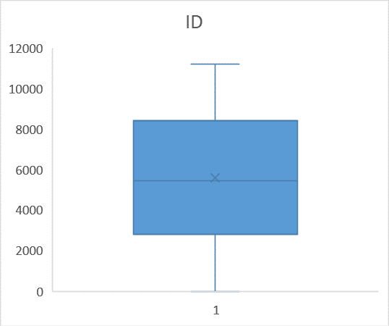
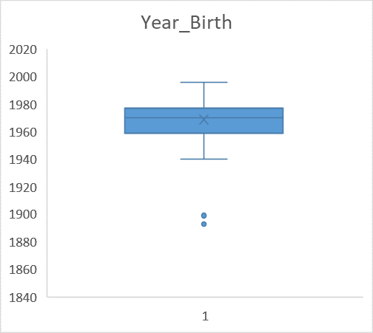
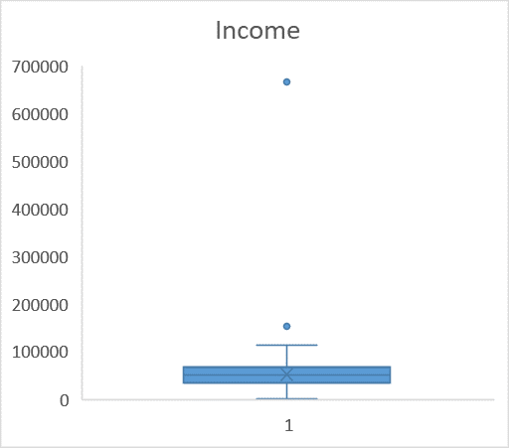
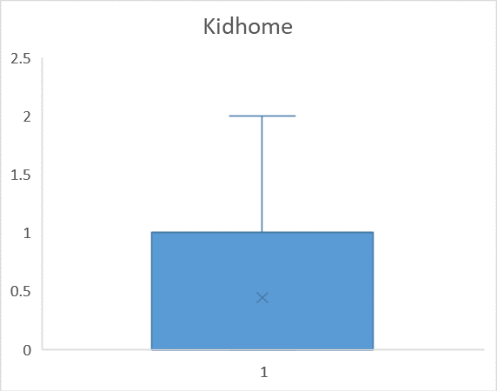

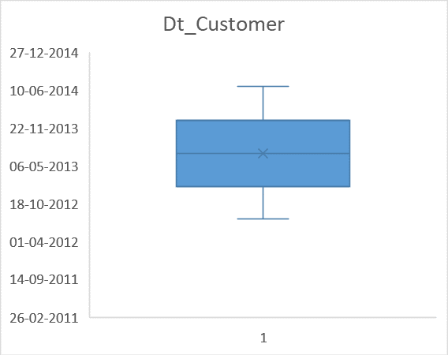
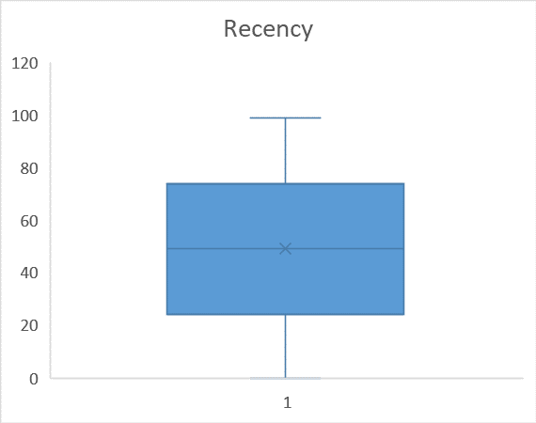
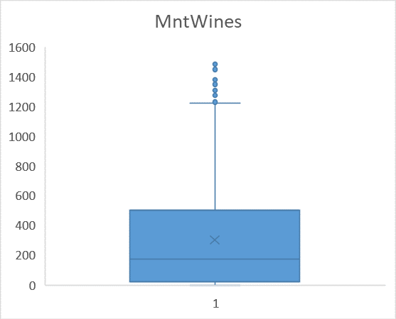
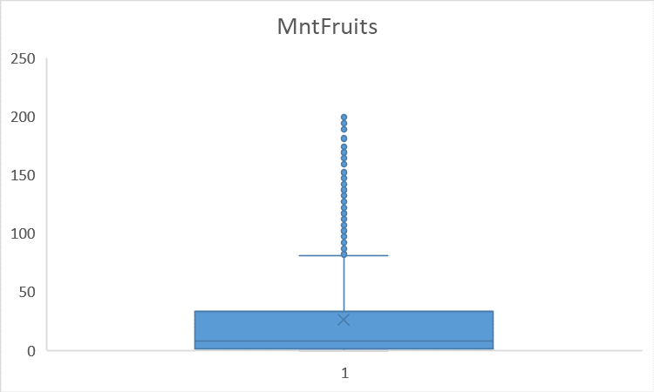
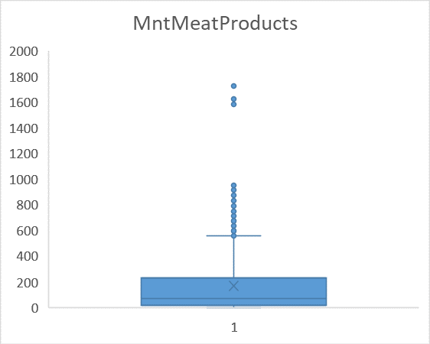
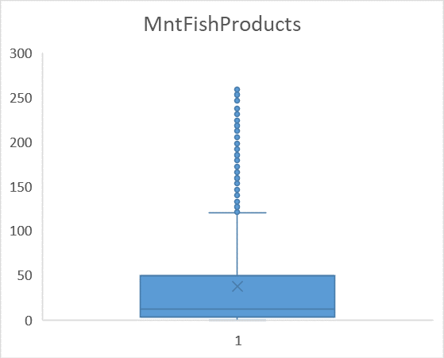
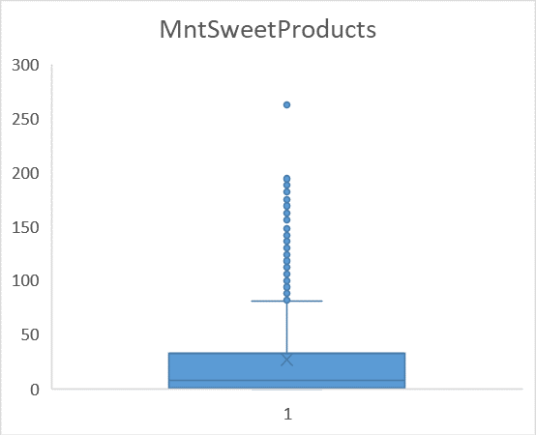
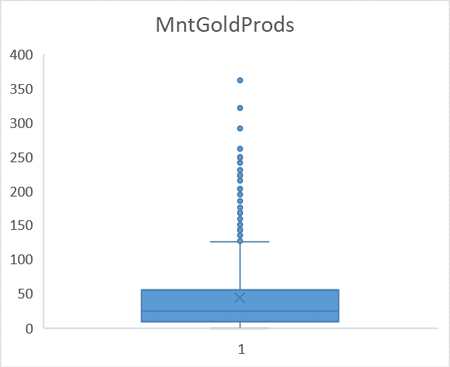
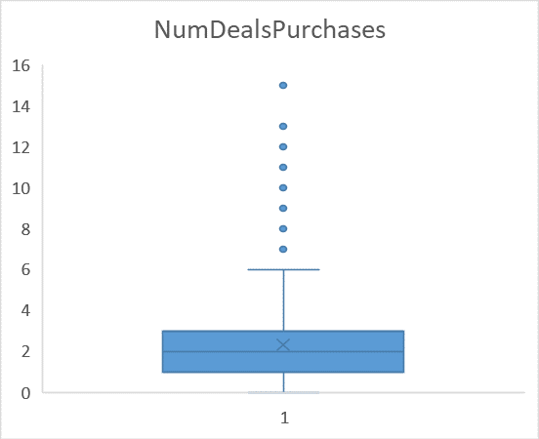
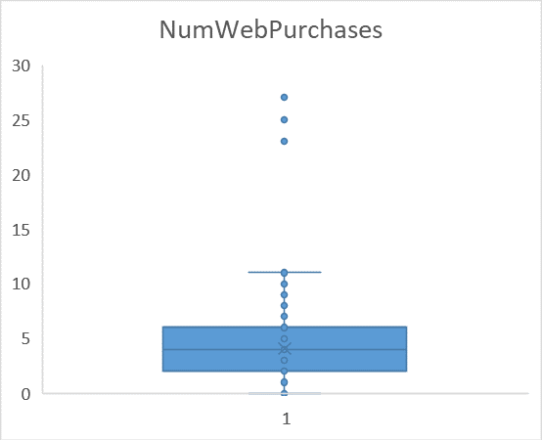
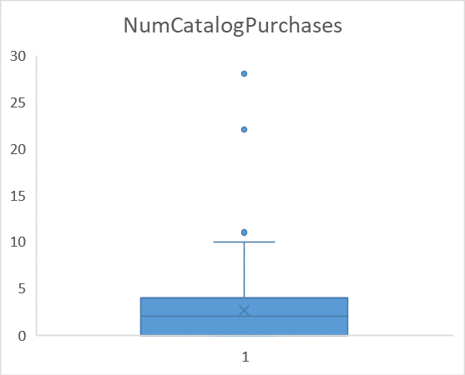
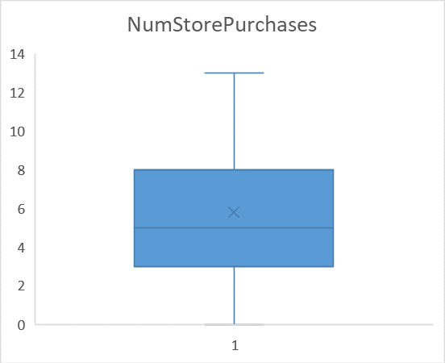
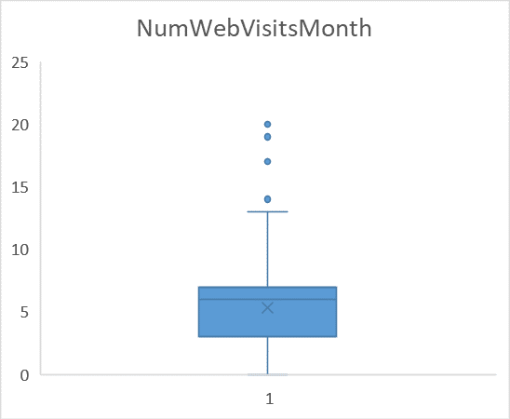
Outlier from Year Birth and Salary has been removed

 | After | Before

Q5
MntWines | MntFruits | MntMeatProducts | MntFishProducts | MntSweetProducts | MntGoldProds
679676 | 58739 | 368408 | 83904 | 60281 | 98319
Best Performing products
MntWines | MntFruits | MntMeatProducts | MntFishProducts | MntSweetProducts | MntGoldProds
189 | 104 | 379 | 111 | 189 | 218
464 | 5 | 64 | 7 | 0 | 37
134 | 11 | 59 | 15 | 2 | 30
10 | 0 | 1 | 0 | 0 | 0
6 | 26 | 24 | 11 | 0 | 34
336 | 130 | 411 | 240 | 32 | 43
769 | 80 | 252 | 15 | 34 | 65
78 | 0 | 11 | 0 | 0 | 7
384 | 0 | 102 | 21 | 32 | 5
384 | 0 | 102 | 21 | 32 | 5
450 | 26 | 535 | 73 | 98 | 26
140 | 4 | 61 | 0 | 13 | 4
431 | 82 | 441 | 80 | 20 | 102
3 | 10 | 8 | 3 | 16 | 32
16 | 4 | 12 | 2 | 4 | 321
Best Performing products
63 | 6 | 57 | 13 | 13 | 22
63 | 6 | 57 | 13 | 13 | 22
18 | 0 | 2 | 0 | 0 | 2
53 | 1 | 5 | 2 | 1 | 10
5 | 0 | 3 | 0 | 0 | 5
213 | 9 | 76 | 4 | 3 | 30
275 | 11 | 68 | 25 | 7 | 7
40 | 2 | 23 | 0 | 4 | 23
308 | 0 | 73 | 0 | 0 | 23
266 | 21 | 300 | 65 | 8 | 44
80 | 1 | 37 | 0 | 1 | 3
454 | 0 | 171 | 8 | 19 | 32
454 | 0 | 171 | 8 | 19 | 32
27 | 0 | 12 | 0 | 1 | 5
184 | 174 | 256 | 50 | 30 | 32
155 | 7 | 80 | 13 | 7 | 10
423 | 42 | 706 | 73 | 197 | 197
7 | 0 | 1 | 0 | 0 | 0
408 | 0 | 21 | 0 | 0 | 17
1 | 12 | 9 | 0 | 14 | 7
1285 | 21 | 449 | 106 | 20 | 20
71 | 22 | 112 | 138 | 89 | 29
7 | 1 | 6 | 0 | 3 | 3
1248 | 16 | 349 | 43 | 16 | 16
378 | 0 | 189 | 97 | 172 | 172
12 | 2 | 17 | 6 | 1 | 10
1200 | 0 | 204 | 38 | 29 | 14
709 | 45 | 115 | 30 | 160 | 45
94 | 1 | 33 | 13 | 12 | 12
4 | 2 | 12 | 7 | 5 | 26
539 | 169 | 816 | 20 | 0 | 30
13 | 3 | 6 | 6 | 5 | 6
670 | 9 | 249 | 0 | 28 | 9
158 | 35 | 179 | 0 | 0 | 125
283 | 10 | 38 | 0 | 13 | 27
13 | 3 | 8 | 7 | 4 | 16
496 | 36 | 460 | 189 | 60 | 12
12 | 0 | 4 | 0 | 0 | 1
292 | 51 | 981 | 224 | 23 | 17
7 | 10 | 13 | 16 | 0 | 4
46 | 0 | 12 | 0 | 2 | 23
34 | 0 | 7 | 0 | 0 | 0
167 | 0 | 43 | 6 | 2 | 13
318 | 8 | 407 | 150 | 35 | 8
522 | 0 | 257 | 32 | 16 | 66
67 | 11 | 26 | 4 | 3 | 262
28 | 0 | 4 | 0 | 0 | 0
58 | 0 | 18 | 2 | 0 | 10
2 | 4 | 9 | 0 | 4 | 5
229 | 7 | 140 | 10 | 3 | 11
14 | 0 | 16 | 0 | 0 | 6
622 | 7 | 115 | 30 | 0 | 15
362 | 50 | 431 | 134 | 35 | 54
38 | 4 | 22 | 3 | 3 | 3
38 | 4 | 22 | 3 | 3 | 3
1074 | 37 | 518 | 193 | 92 | 129
983 | 76 | 184 | 180 | 138 | 27
262 | 6 | 61 | 0 | 10 | 102
3 | 17 | 26 | 20 | 1 | 39
739 | 107 | 309 | 140 | 80 | 35
610 | 105 | 125 | 137 | 42 | 21
50 | 4 | 28 | 6 | 3 | 26
1285 | 105 | 653 | 28 | 21 | 0
650 | 37 | 780 | 27 | 167 | 32
9 | 1 | 2 | 3 | 2 | 0
458 | 81 | 356 | 106 | 50 | 40
458 | 81 | 356 | 106 | 50 | 40
292 | 6 | 37 | 0 | 3 | 34
520 | 7 | 154 | 19 | 0 | 14
14 | 0 | 1 | 0 | 0 | 1
3 | 4 | 7 | 15 | 8 | 11
1 | 8 | 6 | 4 | 8 | 16
20 | 3 | 16 | 0 | 4 | 1
345 | 53 | 528 | 98 | 75 | 97
22 | 1 | 11 | 0 | 1 | 2
42 | 11 | 57 | 10 | 28 | 14
463 | 96 | 333 | 168 | 53 | 10
4 | 1 | 7 | 2 | 1 | 2
260 | 86 | 559 | 63 | 9 | 67
180 | 32 | 348 | 76 | 32 | 90
62 | 1 | 44 | 6 | 5 | 22
62 | 1 | 44 | 6 | 5 | 22
67 | 1 | 20 | 0 | 2 | 31
421 | 76 | 536 | 82 | 178 | 102
154 | 22 | 202 | 39 | 30 | 8
502 | 19 | 132 | 0 | 6 | 26
145 | 193 | 459 | 205 | 26 | 145
322 | 3 | 50 | 4 | 3 | 42
322 | 3 | 50 | 4 | 3 | 42
322 | 3 | 50 | 4 | 3 | 42
1099 | 0 | 45 | 0 | 0 | 34
1099 | 0 | 45 | 0 | 0 | 34
890 | 63 | 292 | 0 | 25 | 12
863 | 83 | 547 | 86 | 99 | 33
448 | 21 | 125 | 52 | 101 | 62
399 | 4 | 30 | 6 | 4 | 30
85 | 7 | 24 | 2 | 3 | 27
97 | 1 | 41 | 6 | 2 | 41
35 | 3 | 67 | 10 | 8 | 24
3 | 2 | 11 | 2 | 2 | 10
315 | 35 | 322 | 46 | 7 | 143
738 | 0 | 232 | 13 | 20 | 50
738 | 0 | 232 | 13 | 20 | 50
179 | 28 | 520 | 111 | 123 | 47
381 | 28 | 215 | 84 | 28 | 21
247 | 49 | 159 | 7 | 82 | 109
711 | 36 | 217 | 172 | 96 | 168
30 | 8 | 12 | 8 | 8 | 12
30 | 8 | 12 | 8 | 8 | 12
288 | 10 | 30 | 4 | 10 | 125
212 | 6 | 69 | 4 | 12 | 3
173 | 4 | 30 | 3 | 6 | 41
604 | 0 | 100 | 19 | 0 | 28
482 | 34 | 471 | 119 | 68 | 22
531 | 69 | 300 | 150 | 138 | 150
531 | 69 | 300 | 150 | 138 | 150
448 | 40 | 469 | 80 | 0 | 91
9 | 0 | 6 | 3 | 1 | 3
9 | 0 | 6 | 3 | 1 | 3
230 | 42 | 192 | 49 | 37 | 53
496 | 32 | 849 | 229 | 48 | 128
33 | 4 | 24 | 4 | 2 | 5
784 | 48 | 560 | 42 | 176 | 48
10 | 12 | 12 | 25 | 1 | 20
5 | 13 | 14 | 0 | 5 | 31
4 | 1 | 5 | 2 | 0 | 4
600 | 20 | 350 | 29 | 30 | 33
168 | 148 | 444 | 32 | 172 | 148
493 | 26 | 206 | 116 | 80 | 80
6 | 5 | 4 | 13 | 4 | 25
6 | 4 | 1 | 7 | 2 | 15
4 | 12 | 5 | 3 | 16 | 17
4 | 12 | 5 | 3 | 16 | 17
29 | 0 | 2 | 0 | 0 | 1
520 | 8 | 223 | 32 | 49 | 42
520 | 8 | 223 | 32 | 49 | 42
835 | 73 | 380 | 114 | 73 | 43
1296 | 17 | 311 | 45 | 69 | 51
16 | 0 | 3 | 0 | 0 | 1
760 | 80 | 466 | 17 | 13 | 80
70 | 6 | 69 | 2 | 3 | 3
68 | 0 | 16 | 0 | 0 | 8
68 | 0 | 16 | 0 | 0 | 8
9 | 1 | 5 | 4 | 5 | 7
9 | 1 | 5 | 4 | 5 | 7
325 | 83 | 300 | 86 | 58 | 91
9 | 1 | 3 | 0 | 4 | 8
9 | 1 | 3 | 0 | 4 | 8
303 | 23 | 751 | 82 | 26 | 191
121 | 103 | 69 | 8 | 44 | 48
16 | 36 | 21 | 20 | 62 | 108
561 | 64 | 785 | 84 | 128 | 48
462 | 61 | 184 | 10 | 53 | 107
376 | 0 | 38 | 11 | 8 | 69
341 | 142 | 113 | 259 | 151 | 66
595 | 97 | 291 | 127 | 133 | 121
179 | 8 | 83 | 19 | 11 | 26
23 | 4 | 5 | 10 | 5 | 23
530 | 117 | 678 | 134 | 44 | 147
594 | 134 | 786 | 33 | 134 | 57
852 | 60 | 207 | 78 | 36 | 48
158 | 0 | 76 | 13 | 7 | 71
384 | 25 | 292 | 130 | 41 | 64
14 | 7 | 11 | 11 | 0 | 5
2 | 8 | 11 | 3 | 8 | 21
194 | 2 | 56 | 0 | 0 | 0
194 | 2 | 56 | 0 | 0 | 0
6 | 17 | 16 | 6 | 16 | 42
179 | 21 | 273 | 0 | 21 | 63
1 | 3 | 8 | 2 | 5 | 5
216 | 2 | 6 | 0 | 0 | 9
16 | 0 | 23 | 3 | 2 | 10
428 | 30 | 214 | 80 | 30 | 61
1092 | 37 | 592 | 145 | 37 | 55
10 | 0 | 7 | 2 | 0 | 1
559 | 153 | 503 | 218 | 13 | 181
606 | 148 | 228 | 15 | 148 | 22
11 | 5 | 22 | 12 | 5 | 11
588 | 7 | 76 | 110 | 15 | 15
316 | 58 | 161 | 76 | 51 | 135
279 | 83 | 88 | 32 | 14 | 34
1462 | 16 | 128 | 0 | 0 | 160
546 | 0 | 48 | 0 | 6 | 6
277 | 21 | 64 | 62 | 21 | 25
948 | 10 | 86 | 13 | 21 | 21
664 | 9 | 240 | 50 | 19 | 57
268 | 11 | 88 | 15 | 3 | 22
530 | 142 | 217 | 62 | 9 | 56
199 | 33 | 60 | 8 | 3 | 15
199 | 33 | 60 | 8 | 3 | 15
73 | 57 | 100 | 71 | 15 | 0
16 | 5 | 30 | 8 | 7 | 26
96 | 12 | 96 | 33 | 22 | 43
587 | 51 | 898 | 247 | 0 | 86
56 | 19 | 29 | 2 | 14 | 25
158 | 11 | 99 | 15 | 11 | 17
3 | 2 | 8 | 20 | 0 | 17
45 | 3 | 9 | 4 | 4 | 7
8 | 2 | 5 | 3 | 0 | 3
12 | 6 | 2 | 11 | 2 | 16
508 | 5 | 21 | 7 | 5 | 10
11 | 2 | 7 | 4 | 2 | 2
234 | 14 | 77 | 19 | 10 | 42
992 | 24 | 694 | 51 | 19 | 119
125 | 6 | 73 | 8 | 4 | 19
174 | 18 | 81 | 28 | 6 | 24
1478 | 19 | 403 | 0 | 19 | 0
1478 | 19 | 403 | 0 | 19 | 0
80 | 1 | 60 | 4 | 6 | 16
1001 | 12 | 240 | 16 | 12 | 12
392 | 5 | 91 | 28 | 26 | 112
388 | 14 | 218 | 91 | 14 | 21
65 | 0 | 46 | 4 | 3 | 20
177 | 2 | 71 | 3 | 2 | 20
577 | 0 | 64 | 0 | 0 | 51
460 | 35 | 422 | 33 | 12 | 153
219 | 3 | 100 | 26 | 0 | 17
5 | 0 | 3 | 0 | 0 | 1
5 | 7 | 31 | 15 | 4 | 7
31 | 1 | 13 | 7 | 2 | 9
117 | 0 | 22 | 13 | 0 | 30
30 | 5 | 24 | 6 | 3 | 8
236 | 106 | 189 | 23 | 41 | 130
6 | 4 | 14 | 8 | 8 | 22
464 | 28 | 873 | 29 | 18 | 37
16 | 2 | 18 | 3 | 0 | 24
2 | 5 | 7 | 0 | 18 | 18
120 | 58 | 73 | 65 | 89 | 58
9 | 1 | 7 | 0 | 3 | 2
9 | 1 | 7 | 0 | 3 | 2
145 | 1 | 33 | 2 | 1 | 1
200 | 19 | 111 | 50 | 15 | 19
532 | 88 | 168 | 69 | 44 | 133
532 | 88 | 168 | 69 | 44 | 133
30 | 0 | 10 | 2 | 0 | 5
297 | 0 | 38 | 13 | 0 | 152
151 | 7 | 89 | 0 | 7 | 28
997 | 26 | 269 | 34 | 13 | 42
23 | 1 | 13 | 2 | 2 | 18
23 | 1 | 13 | 2 | 2 | 18
797 | 153 | 293 | 72 | 97 | 30
823 | 25 | 459 | 124 | 29 | 95
823 | 25 | 459 | 124 | 29 | 95
966 | 26 | 282 | 52 | 26 | 26
180 | 60 | 241 | 13 | 54 | 54
37 | 32 | 38 | 11 | 3 | 18
5 | 5 | 6 | 0 | 2 | 1
416 | 0 | 26 | 0 | 0 | 4
314 | 11 | 53 | 4 | 3 | 107
10 | 7 | 19 | 8 | 2 | 21
9 | 1 | 4 | 3 | 2 | 3
18 | 6 | 15 | 12 | 8 | 17
18 | 6 | 15 | 12 | 8 | 17
342 | 9 | 112 | 19 | 14 | 19
63 | 3 | 67 | 8 | 9 | 28
20 | 6 | 5 | 0 | 9 | 12
629 | 0 | 70 | 0 | 0 | 35
158 | 6 | 45 | 8 | 2 | 2
201 | 53 | 172 | 116 | 77 | 83
964 | 34 | 137 | 15 | 0 | 11
72 | 24 | 68 | 65 | 4 | 8
123 | 133 | 142 | 71 | 44 | 88
159 | 0 | 22 | 2 | 1 | 31
6 | 10 | 21 | 19 | 14 | 42
6 | 10 | 21 | 19 | 14 | 42
209 | 0 | 40 | 3 | 2 | 15
100 | 64 | 79 | 65 | 0 | 109
1170 | 19 | 594 | 99 | 76 | 134
70 | 3 | 37 | 4 | 2 | 64
71 | 99 | 278 | 185 | 121 | 38
5 | 7 | 24 | 19 | 14 | 20
5 | 7 | 24 | 19 | 14 | 20
376 | 9 | 83 | 19 | 4 | 4
387 | 68 | 569 | 89 | 45 | 68
357 | 35 | 271 | 28 | 28 | 14
912 | 72 | 170 | 47 | 36 | 97
625 | 38 | 242 | 50 | 34 | 76
420 | 0 | 452 | 182 | 64 | 140
6 | 4 | 16 | 3 | 10 | 30
209 | 19 | 456 | 160 | 142 | 66
1 | 2 | 5 | 6 | 0 | 3
1 | 0 | 5 | 0 | 3 | 9
641 | 7 | 84 | 0 | 30 | 38
12 | 4 | 7 | 1 | 3 | 5
712 | 26 | 538 | 69 | 13 | 80
712 | 26 | 538 | 69 | 13 | 80
465 | 25 | 132 | 136 | 0 | 37
39 | 1 | 9 | 2 | 1 | 34
154 | 2 | 46 | 20 | 4 | 15
514 | 22 | 732 | 42 | 198 | 79
14 | 7 | 9 | 6 | 16 | 12
565 | 42 | 548 | 64 | 83 | 99
667 | 50 | 850 | 21 | 83 | 83
53 | 0 | 8 | 0 | 0 | 2
66 | 2 | 40 | 4 | 3 | 14
4 | 24 | 11 | 16 | 1 | 25
34 | 3 | 29 | 0 | 4 | 10
129 | 129 | 259 | 168 | 121 | 83
129 | 129 | 259 | 168 | 121 | 83
185 | 0 | 28 | 3 | 2 | 17
1023 | 93 | 651 | 49 | 55 | 37
338 | 4 | 89 | 11 | 8 | 13
1 | 3 | 3 | 8 | 1 | 13
647 | 107 | 391 | 175 | 67 | 40
163 | 48 | 90 | 0 | 45 | 52
1 | 6 | 7 | 0 | 1 | 3
19 | 13 | 18 | 10 | 7 | 8
182 | 74 | 298 | 162 | 149 | 116
56 | 4 | 76 | 17 | 1 | 18
779 | 86 | 537 | 34 | 69 | 138
32 | 34 | 41 | 73 | 16 | 116
42 | 1 | 18 | 3 | 0 | 4
42 | 1 | 18 | 3 | 0 | 4
298 | 27 | 697 | 216 | 24 | 166
10 | 4 | 14 | 4 | 4 | 1
10 | 4 | 14 | 4 | 4 | 1
4 | 1 | 5 | 2 | 0 | 3
488 | 23 | 71 | 15 | 0 | 59
817 | 185 | 687 | 145 | 55 | 241
19 | 3 | 19 | 3 | 1 | 3
19 | 3 | 19 | 3 | 1 | 3
459 | 15 | 171 | 142 | 23 | 31
492 | 5 | 32 | 13 | 5 | 21
558 | 79 | 622 | 207 | 175 | 95
383 | 0 | 53 | 6 | 4 | 40
209 | 162 | 209 | 41 | 162 | 37
1043 | 24 | 97 | 32 | 24 | 157
400 | 4 | 35 | 6 | 0 | 22
3 | 1 | 2 | 4 | 3 | 1
691 | 7 | 69 | 0 | 7 | 23
2 | 12 | 10 | 6 | 13 | 30
783 | 30 | 537 | 140 | 76 | 15
3 | 3 | 14 | 15 | 21 | 10
4 | 16 | 20 | 0 | 17 | 20
43 | 12 | 96 | 78 | 40 | 55
10 | 2 | 16 | 11 | 2 | 21
777 | 35 | 731 | 39 | 137 | 114
63 | 0 | 21 | 7 | 0 | 12
16 | 7 | 23 | 0 | 8 | 6
27 | 2 | 7 | 0 | 2 | 13
27 | 5 | 8 | 8 | 3 | 12
71 | 0 | 13 | 3 | 1 | 0
402 | 35 | 106 | 101 | 77 | 42
144 | 1 | 32 | 2 | 1 | 7
840 | 53 | 804 | 23 | 71 | 17
32 | 0 | 8 | 23 | 4 | 18
32 | 0 | 8 | 23 | 4 | 18
32 | 0 | 8 | 23 | 4 | 18
88 | 10 | 46 | 2 | 3 | 64
56 | 5 | 24 | 4 | 0 | 3
74 | 0 | 42 | 2 | 1 | 6
40 | 3 | 30 | 10 | 7 | 11
40 | 3 | 30 | 10 | 7 | 11
100 | 71 | 243 | 108 | 94 | 219
8 | 0 | 3 | 0 | 0 | 1
26 | 3 | 23 | 4 | 7 | 3
15 | 5 | 14 | 0 | 4 | 11
29 | 1 | 17 | 0 | 3 | 13
162 | 6 | 37 | 6 | 13 | 13
1302 | 68 | 731 | 89 | 114 | 45
6 | 10 | 12 | 3 | 15 | 40
47 | 1 | 6 | 0 | 0 | 12
0 | 0 | 0 | 6 | 2 | 6
129 | 26 | 67 | 3 | 67 | 2
16 | 11 | 15 | 2 | 0 | 12
520 | 42 | 98 | 0 | 42 | 14
0 | 7 | 5 | 26 | 2 | 17
71 | 0 | 18 | 0 | 0 | 13
918 | 57 | 842 | 99 | 38 | 133
5 | 4 | 5 | 4 | 2 | 10
172 | 10 | 125 | 21 | 13 | 16
931 | 56 | 253 | 91 | 98 | 14
666 | 35 | 124 | 69 | 8 | 26
5 | 3 | 4 | 4 | 1 | 0
27 | 1 | 14 | 4 | 1 | 21
24 | 1 | 10 | 2 | 0 | 4
4 | 1 | 11 | 0 | 0 | 1
25 | 1 | 13 | 0 | 0 | 3
25 | 1 | 13 | 0 | 0 | 3
391 | 32 | 70 | 21 | 32 | 16
81 | 0 | 6 | 0 | 0 | 6
14 | 2 | 30 | 8 | 2 | 3
674 | 168 | 108 | 192 | 42 | 231
267 | 42 | 309 | 55 | 42 | 21
224 | 2 | 25 | 7 | 0 | 110
1239 | 17 | 413 | 23 | 34 | 17
412 | 22 | 132 | 59 | 28 | 183
1205 | 0 | 235 | 19 | 14 | 205
304 | 98 | 230 | 150 | 74 | 74
76 | 3 | 31 | 4 | 4 | 27
1004 | 12 | 145 | 32 | 12 | 36
584 | 44 | 212 | 46 | 8 | 177
422 | 7 | 238 | 69 | 46 | 15
1170 | 48 | 320 | 42 | 32 | 192
269 | 129 | 495 | 182 | 43 | 29
26 | 0 | 8 | 0 | 0 | 3
28 | 0 | 9 | 3 | 0 | 0
613 | 22 | 319 | 33 | 102 | 12
163 | 23 | 424 | 27 | 65 | 76
163 | 23 | 424 | 27 | 65 | 76
1 | 6 | 2 | 3 | 6 | 3
22 | 1 | 11 | 0 | 5 | 3
279 | 172 | 74 | 38 | 8 | 246
2 | 0 | 8 | 2 | 2 | 3
113 | 61 | 204 | 34 | 26 | 47
70 | 54 | 109 | 80 | 9 | 45
267 | 140 | 599 | 34 | 12 | 127
261 | 23 | 73 | 4 | 23 | 50
856 | 61 | 570 | 40 | 25 | 122
454 | 194 | 106 | 31 | 22 | 43
8 | 8 | 22 | 24 | 11 | 9
546 | 91 | 410 | 119 | 0 | 22
96 | 1 | 42 | 12 | 3 | 32
452 | 18 | 102 | 16 | 18 | 6
20 | 0 | 14 | 7 | 3 | 1
658 | 80 | 483 | 123 | 13 | 13
451 | 0 | 39 | 0 | 4 | 24
395 | 183 | 565 | 166 | 141 | 28
688 | 14 | 309 | 201 | 24 | 38
1035 | 134 | 670 | 25 | 38 | 0
464 | 151 | 292 | 65 | 60 | 30
365 | 32 | 117 | 34 | 110 | 6
181 | 21 | 69 | 39 | 3 | 96
6 | 6 | 15 | 10 | 5 | 2
331 | 197 | 170 | 58 | 152 | 35
3 | 1 | 10 | 3 | 2 | 12
256 | 34 | 103 | 90 | 29 | 49
836 | 185 | 575 | 24 | 25 | 77
2 | 6 | 28 | 13 | 4 | 16
14 | 0 | 24 | 3 | 3 | 2
14 | 0 | 24 | 3 | 3 | 2
233 | 0 | 23 | 0 | 0 | 12
5 | 1 | 3 | 3 | 263 | 362
378 | 0 | 101 | 0 | 0 | 72
12 | 0 | 4 | 0 | 0 | 1
345 | 25 | 501 | 63 | 138 | 80
10 | 4 | 4 | 3 | 3 | 14
19 | 3 | 26 | 10 | 9 | 3
7 | 0 | 12 | 13 | 7 | 32
2 | 1 | 1 | 1 | 0 | 1
30 | 0 | 11 | 0 | 0 | 3
9 | 0 | 3 | 0 | 0 | 1
172 | 3 | 115 | 16 | 0 | 18
279 | 0 | 18 | 0 | 0 | 9
881 | 38 | 319 | 16 | 25 | 12
19 | 0 | 9 | 0 | 0 | 2
305 | 3 | 27 | 4 | 3 | 144
6 | 4 | 7 | 4 | 3 | 8
778 | 178 | 689 | 41 | 27 | 44
69 | 8 | 26 | 12 | 7 | 12
69 | 8 | 26 | 12 | 7 | 12
79 | 7 | 58 | 6 | 3 | 18
344 | 189 | 482 | 50 | 33 | 172
1184 | 102 | 673 | 52 | 40 | 40
490 | 0 | 184 | 10 | 28 | 21
1349 | 16 | 249 | 43 | 16 | 33
153 | 4 | 56 | 0 | 9 | 31
84 | 5 | 38 | 150 | 12 | 28
84 | 5 | 38 | 150 | 12 | 28
1000 | 155 | 379 | 224 | 17 | 120
14 | 0 | 6 | 0 | 0 | 0
52 | 0 | 9 | 0 | 0 | 1
52 | 0 | 9 | 0 | 0 | 1
301 | 11 | 61 | 4 | 7 | 11
15 | 0 | 2 | 0 | 0 | 6
519 | 50 | 167 | 130 | 0 | 41
238 | 115 | 215 | 169 | 69 | 76
620 | 26 | 195 | 34 | 17 | 141
620 | 26 | 195 | 34 | 17 | 141
572 | 19 | 286 | 50 | 38 | 248
380 | 98 | 733 | 110 | 112 | 28
443 | 5 | 71 | 21 | 16 | 82
620 | 16 | 165 | 0 | 24 | 82
620 | 16 | 165 | 0 | 24 | 82
252 | 98 | 827 | 219 | 70 | 196
796 | 14 | 590 | 38 | 44 | 0
410 | 0 | 59 | 19 | 9 | 44
1 | 2 | 7 | 4 | 3 | 11
507 | 19 | 364 | 25 | 47 | 9
125 | 17 | 52 | 3 | 19 | 30
327 | 9 | 125 | 25 | 4 | 139
15 | 0 | 6 | 0 | 1 | 12
397 | 19 | 69 | 12 | 0 | 9
397 | 19 | 69 | 12 | 0 | 9
760 | 38 | 104 | 50 | 9 | 38
29 | 1 | 9 | 2 | 0 | 2
105 | 0 | 9 | 2 | 1 | 4
1126 | 28 | 211 | 37 | 28 | 42
280 | 0 | 18 | 0 | 0 | 24
39 | 1 | 22 | 3 | 4 | 12
68 | 7 | 59 | 10 | 5 | 11
108 | 1 | 28 | 13 | 1 | 4
108 | 1 | 28 | 13 | 1 | 4
16 | 1 | 2 | 0 | 0 | 1
641 | 7 | 56 | 0 | 0 | 28
25 | 0 | 8 | 0 | 1 | 4
102 | 9 | 49 | 24 | 3 | 12
3 | 0 | 5 | 13 | 0 | 1
1000 | 19 | 711 | 125 | 115 | 38
1000 | 19 | 711 | 125 | 115 | 38
820 | 57 | 242 | 45 | 0 | 11
86 | 12 | 75 | 33 | 15 | 6
86 | 12 | 75 | 33 | 15 | 6
1074 | 0 | 69 | 0 | 0 | 46
13 | 6 | 7 | 0 | 3 | 3
217 | 77 | 373 | 111 | 23 | 93
352 | 0 | 27 | 10 | 0 | 15
352 | 0 | 27 | 10 | 0 | 15
240 | 90 | 216 | 63 | 6 | 24
2 | 8 | 10 | 12 | 14 | 23
3 | 18 | 26 | 11 | 8 | 12
3 | 9 | 15 | 13 | 2 | 39
412 | 5 | 119 | 38 | 29 | 77
124 | 83 | 267 | 85 | 59 | 35
124 | 83 | 267 | 85 | 59 | 35
736 | 114 | 279 | 82 | 76 | 190
1006 | 22 | 115 | 59 | 68 | 45
1006 | 22 | 115 | 59 | 68 | 45
8 | 4 | 5 | 15 | 2 | 11
217 | 38 | 350 | 111 | 85 | 15
23 | 2 | 17 | 2 | 1 | 0
11 | 0 | 5 | 2 | 1 | 1
22 | 1 | 9 | 0 | 0 | 14
580 | 6 | 58 | 8 | 0 | 27
10 | 0 | 10 | 3 | 1 | 7
10 | 0 | 10 | 3 | 1 | 7
112 | 19 | 21 | 16 | 14 | 5
112 | 19 | 21 | 16 | 14 | 5
11 | 0 | 4 | 0 | 0 | 2
2 | 5 | 9 | 28 | 6 | 28
8 | 0 | 3 | 0 | 0 | 0
88 | 39 | 54 | 64 | 28 | 153
182 | 4 | 33 | 0 | 0 | 66
227 | 23 | 389 | 42 | 21 | 75
227 | 23 | 389 | 42 | 21 | 75
290 | 59 | 177 | 77 | 5 | 29
284 | 16 | 160 | 84 | 16 | 134
173 | 2 | 39 | 3 | 2 | 47
656 | 38 | 161 | 62 | 47 | 37
656 | 38 | 161 | 62 | 47 | 37
953 | 0 | 71 | 0 | 0 | 174
953 | 0 | 71 | 0 | 0 | 174
3 | 18 | 14 | 15 | 22 | 50
8 | 0 | 8 | 0 | 0 | 2
18 | 3 | 17 | 3 | 0 | 4
37 | 5 | 56 | 12 | 8 | 5
163 | 0 | 480 | 0 | 126 | 75
69 | 2 | 15 | 2 | 2 | 6
56 | 7 | 48 | 10 | 2 | 18
38 | 0 | 2 | 0 | 0 | 6
38 | 0 | 2 | 0 | 0 | 6
8 | 2 | 4 | 0 | 0 | 1
626 | 0 | 70 | 0 | 7 | 28
112 | 0 | 6 | 2 | 1 | 14
547 | 99 | 812 | 151 | 82 | 33
507 | 93 | 520 | 242 | 40 | 26
35 | 1 | 16 | 0 | 1 | 1
795 | 0 | 545 | 95 | 58 | 0
56 | 0 | 9 | 0 | 0 | 3
895 | 10 | 101 | 13 | 0 | 152
899 | 0 | 101 | 0 | 0 | 20
178 | 4 | 26 | 8 | 4 | 44
14 | 0 | 3 | 0 | 0 | 3
265 | 199 | 303 | 234 | 9 | 170
265 | 199 | 303 | 234 | 9 | 170
349 | 16 | 144 | 28 | 5 | 182
4 | 12 | 11 | 3 | 13 | 15
848 | 154 | 323 | 201 | 61 | 78
817 | 183 | 797 | 106 | 163 | 20
962 | 12 | 194 | 16 | 24 | 12
25 | 3 | 43 | 17 | 4 | 17
1 | 45 | 3 | 4 | 6 | 42
1 | 1 | 5 | 0 | 3 | 1
212 | 123 | 177 | 15 | 64 | 23
11 | 4 | 20 | 10 | 3 | 5
2 | 0 | 9 | 3 | 6 | 2
347 | 0 | 35 | 4 | 3 | 7
73 | 0 | 13 | 0 | 1 | 0
426 | 49 | 127 | 111 | 21 | 42
1 | 3 | 4 | 2 | 2 | 6
48 | 9 | 45 | 3 | 15 | 20
1 | 1 | 4 | 11 | 9 | 10
1076 | 68 | 103 | 29 | 91 | 68
36 | 2 | 42 | 20 | 21 | 10
733 | 9 | 180 | 12 | 19 | 66
39 | 2 | 25 | 4 | 3 | 24
523 | 7 | 134 | 37 | 14 | 169
1083 | 108 | 649 | 253 | 151 | 108
98 | 0 | 106 | 49 | 10 | 106
98 | 0 | 106 | 49 | 10 | 106
99 | 2 | 11 | 4 | 0 | 16
138 | 15 | 35 | 25 | 11 | 72
509 | 133 | 497 | 78 | 24 | 97
527 | 0 | 21 | 0 | 0 | 60
340 | 21 | 134 | 258 | 14 | 56
340 | 21 | 134 | 258 | 14 | 56
1184 | 32 | 352 | 21 | 16 | 16
10 | 24 | 15 | 13 | 1 | 30
434 | 137 | 400 | 45 | 137 | 45
434 | 137 | 400 | 45 | 137 | 45
102 | 1 | 15 | 2 | 0 | 24
208 | 17 | 76 | 36 | 17 | 38
438 | 66 | 400 | 12 | 38 | 114
125 | 16 | 98 | 134 | 21 | 27
1308 | 0 | 396 | 23 | 0 | 0
64 | 1 | 21 | 0 | 1 | 27
7 | 4 | 13 | 15 | 8 | 17
7 | 4 | 13 | 15 | 8 | 17
200 | 5 | 44 | 0 | 10 | 20
1001 | 44 | 107 | 58 | 44 | 44
36 | 0 | 2 | 0 | 0 | 4
18 | 42 | 24 | 15 | 20 | 18
18 | 42 | 24 | 15 | 20 | 18
673 | 0 | 199 | 37 | 47 | 26
6 | 7 | 4 | 3 | 4 | 6
1050 | 12 | 144 | 0 | 0 | 24
787 | 20 | 204 | 0 | 0 | 92
833 | 33 | 549 | 151 | 133 | 233
284 | 0 | 52 | 8 | 3 | 20
605 | 91 | 399 | 0 | 45 | 205
227 | 151 | 573 | 98 | 54 | 31
800 | 0 | 297 | 0 | 34 | 57
861 | 31 | 558 | 62 | 95 | 79
62 | 1 | 57 | 19 | 11 | 48
23 | 0 | 9 | 0 | 0 | 12
11 | 0 | 16 | 7 | 6 | 21
25 | 0 | 22 | 2 | 3 | 5
22 | 2 | 31 | 7 | 4 | 5
25 | 0 | 8 | 2 | 0 | 2
25 | 0 | 8 | 2 | 0 | 2
161 | 28 | 136 | 32 | 3 | 45
315 | 4 | 62 | 41 | 31 | 146
522 | 0 | 522 | 227 | 120 | 134
712 | 50 | 420 | 65 | 38 | 38
33 | 0 | 5 | 0 | 0 | 15
342 | 32 | 230 | 34 | 32 | 40
22 | 2 | 12 | 0 | 2 | 5
359 | 35 | 314 | 93 | 116 | 89
324 | 48 | 186 | 39 | 18 | 198
233 | 20 | 57 | 8 | 20 | 91
370 | 9 | 92 | 6 | 9 | 4
1001 | 17 | 572 | 93 | 125 | 17
173 | 8 | 107 | 7 | 2 | 176
5 | 0 | 1 | 1 | 1 | 1
10 | 3 | 3 | 0 | 0 | 0
8 | 4 | 20 | 6 | 3 | 16
138 | 39 | 63 | 55 | 18 | 21
245 | 19 | 125 | 37 | 67 | 14
68 | 129 | 396 | 188 | 22 | 15
434 | 22 | 388 | 104 | 22 | 34
631 | 43 | 239 | 128 | 76 | 21
1156 | 120 | 915 | 94 | 144 | 96
1156 | 120 | 915 | 94 | 144 | 96
398 | 40 | 367 | 119 | 122 | 30
230 | 35 | 75 | 63 | 57 | 31
2 | 0 | 7 | 3 | 7 | 10
122 | 21 | 43 | 25 | 10 | 15
19 | 3 | 6 | 4 | 2 | 12
386 | 23 | 95 | 54 | 41 | 196
379 | 6 | 157 | 25 | 91 | 91
243 | 11 | 119 | 10 | 3 | 15
358 | 108 | 413 | 141 | 97 | 32
358 | 108 | 413 | 141 | 97 | 32
258 | 107 | 291 | 84 | 37 | 86
65 | 36 | 74 | 38 | 20 | 110
846 | 84 | 352 | 91 | 56 | 42
724 | 17 | 143 | 0 | 8 | 196
770 | 29 | 890 | 250 | 27 | 24
815 | 10 | 239 | 28 | 10 | 108
2 | 2 | 11 | 41 | 7 | 11
16 | 17 | 19 | 20 | 21 | 22
819 | 0 | 72 | 12 | 0 | 63
46 | 0 | 40 | 3 | 0 | 3
5 | 3 | 11 | 12 | 5 | 9
5 | 3 | 11 | 12 | 5 | 9
479 | 5 | 82 | 7 | 17 | 171
938 | 142 | 754 | 159 | 81 | 183
283 | 17 | 372 | 138 | 106 | 44
909 | 12 | 278 | 0 | 12 | 242
156 | 29 | 56 | 30 | 32 | 47
213 | 2 | 44 | 0 | 2 | 5
123 | 1 | 26 | 2 | 0 | 72
37 | 4 | 24 | 16 | 9 | 9
154 | 0 | 50 | 6 | 11 | 37
154 | 0 | 50 | 6 | 11 | 37
940 | 44 | 396 | 0 | 88 | 58
51 | 1 | 7 | 2 | 1 | 25
141 | 11 | 114 | 15 | 14 | 5
160 | 15 | 196 | 15 | 11 | 50
16 | 14 | 36 | 37 | 22 | 48
557 | 129 | 761 | 29 | 185 | 111
196 | 0 | 512 | 33 | 130 | 54
295 | 35 | 482 | 121 | 120 | 40
231 | 7 | 137 | 4 | 15 | 39
231 | 7 | 137 | 4 | 15 | 39
38 | 4 | 22 | 4 | 2 | 20
29 | 12 | 59 | 19 | 1 | 36
29 | 12 | 59 | 19 | 1 | 36
29 | 12 | 59 | 19 | 1 | 36
420 | 15 | 186 | 151 | 38 | 15
8 | 4 | 12 | 15 | 4 | 29
229 | 27 | 71 | 13 | 3 | 34
1230 | 0 | 396 | 232 | 178 | 158
91 | 64 | 128 | 65 | 3 | 50
1060 | 61 | 835 | 80 | 20 | 101
11 | 0 | 5 | 0 | 0 | 1
121 | 24 | 124 | 24 | 15 | 42
13 | 0 | 8 | 2 | 1 | 5
17 | 0 | 2 | 0 | 0 | 2
8 | 1 | 5 | 0 | 0 | 1
46 | 7 | 59 | 2 | 4 | 27
5 | 6 | 10 | 6 | 5 | 10
302 | 29 | 131 | 32 | 0 | 27
728 | 17 | 133 | 11 | 8 | 124
9 | 0 | 6 | 4 | 1 | 5
9 | 0 | 6 | 4 | 1 | 5
110 | 0 | 5 | 2 | 0 | 3
711 | 28 | 142 | 49 | 18 | 47
778 | 44 | 499 | 95 | 73 | 146
0 | 1 | 3 | 10 | 6 | 9
995 | 112 | 417 | 42 | 48 | 41
493 | 183 | 352 | 184 | 23 | 28
23 | 17 | 23 | 43 | 20 | 9
704 | 129 | 853 | 120 | 74 | 111
2 | 3 | 12 | 3 | 5 | 7
415 | 5 | 124 | 15 | 35 | 11
241 | 0 | 12 | 0 | 0 | 25
34 | 11 | 137 | 179 | 61 | 45
1050 | 178 | 555 | 77 | 138 | 118
135 | 46 | 92 | 65 | 61 | 11
135 | 46 | 92 | 65 | 61 | 11
4 | 7 | 7 | 6 | 4 | 13
76 | 10 | 56 | 3 | 1 | 23
50 | 4 | 44 | 10 | 10 | 43
384 | 60 | 364 | 119 | 101 | 232
275 | 0 | 86 | 10 | 23 | 66
254 | 10 | 44 | 30 | 10 | 227
3 | 6 | 7 | 0 | 0 | 3
957 | 40 | 175 | 158 | 53 | 107
293 | 6 | 23 | 13 | 6 | 92
777 | 129 | 573 | 216 | 21 | 203
63 | 151 | 137 | 153 | 19 | 53
21 | 12 | 12 | 0 | 3 | 3
245 | 16 | 223 | 21 | 43 | 16
245 | 16 | 223 | 21 | 43 | 16
12 | 0 | 1 | 0 | 0 | 6
17 | 0 | 3 | 0 | 0 | 1
24 | 4 | 22 | 0 | 2 | 9
173 | 26 | 255 | 35 | 71 | 81
754 | 160 | 625 | 63 | 32 | 48
11 | 0 | 7 | 3 | 1 | 6
20 | 1 | 28 | 3 | 3 | 2
822 | 114 | 108 | 179 | 137 | 114
219 | 3 | 60 | 12 | 9 | 12
373 | 14 | 83 | 6 | 9 | 19
15 | 0 | 12 | 7 | 3 | 7
15 | 0 | 12 | 7 | 3 | 7
1171 | 43 | 219 | 19 | 14 | 47
371 | 159 | 194 | 58 | 106 | 141
23 | 0 | 8 | 6 | 2 | 18
8 | 4 | 10 | 2 | 2 | 4
8 | 4 | 10 | 2 | 2 | 4
801 | 0 | 80 | 0 | 0 | 35
20 | 4 | 10 | 6 | 4 | 17
23 | 2 | 11 | 3 | 1 | 4
48 | 0 | 2 | 0 | 0 | 5
244 | 8 | 32 | 7 | 2 | 50
562 | 58 | 168 | 43 | 16 | 142
79 | 1 | 31 | 4 | 4 | 12
79 | 1 | 31 | 4 | 4 | 12
1 | 10 | 11 | 19 | 3 | 15
4 | 3 | 7 | 0 | 3 | 11
8 | 7 | 9 | 13 | 6 | 12
707 | 20 | 171 | 65 | 60 | 50
356 | 0 | 107 | 19 | 9 | 117
356 | 0 | 107 | 19 | 9 | 117
743 | 19 | 181 | 12 | 0 | 200
235 | 65 | 164 | 50 | 49 | 27
393 | 5 | 136 | 7 | 5 | 27
721 | 111 | 925 | 97 | 18 | 18
28 | 9 | 37 | 12 | 7 | 13
896 | 10 | 101 | 13 | 10 | 34
217 | 76 | 690 | 50 | 26 | 38
48 | 13 | 57 | 24 | 15 | 25
482 | 147 | 509 | 104 | 107 | 107
167 | 2 | 89 | 0 | 0 | 34
879 | 143 | 797 | 106 | 143 | 143
6 | 0 | 5 | 2 | 1 | 2
367 | 4 | 51 | 6 | 4 | 95
693 | 21 | 925 | 31 | 24 | 84
691 | 7 | 61 | 10 | 0 | 46
231 | 161 | 215 | 171 | 30 | 53
816 | 66 | 549 | 216 | 66 | 99
19 | 1 | 17 | 2 | 0 | 2
24 | 0 | 8 | 0 | 0 | 1
483 | 74 | 114 | 169 | 37 | 18
32 | 1 | 64 | 16 | 12 | 85
595 | 71 | 153 | 120 | 112 | 41
1181 | 26 | 120 | 17 | 13 | 39
244 | 51 | 270 | 101 | 0 | 45
48 | 0 | 14 | 0 | 0 | 6
4 | 9 | 12 | 11 | 2 | 8
491 | 48 | 231 | 112 | 105 | 134
4 | 2 | 5 | 2 | 0 | 0
38 | 0 | 12 | 3 | 1 | 1
254 | 6 | 71 | 4 | 0 | 27
410 | 112 | 420 | 0 | 82 | 71
410 | 112 | 420 | 0 | 82 | 71
21 | 1 | 9 | 7 | 3 | 5
671 | 47 | 655 | 145 | 111 | 15
1009 | 181 | 104 | 202 | 21 | 207
972 | 19 | 595 | 180 | 26 | 138
11 | 7 | 12 | 2 | 2 | 27
598 | 16 | 141 | 32 | 41 | 49
139 | 13 | 78 | 20 | 13 | 36
488 | 21 | 238 | 56 | 108 | 28
15 | 0 | 8 | 4 | 2 | 20
15 | 0 | 8 | 4 | 2 | 20
15 | 0 | 8 | 4 | 2 | 20
15 | 0 | 8 | 4 | 2 | 20
605 | 10 | 345 | 84 | 54 | 32
0 | 4 | 5 | 6 | 0 | 4
702 | 17 | 151 | 0 | 8 | 35
2 | 5 | 12 | 4 | 8 | 7
239 | 7 | 119 | 4 | 15 | 11
5 | 1 | 5 | 10 | 0 | 7
1 | 6 | 7 | 11 | 5 | 3
183 | 2 | 64 | 7 | 2 | 12
771 | 51 | 154 | 54 | 10 | 154
83 | 2 | 101 | 64 | 26 | 117
170 | 6 | 97 | 24 | 12 | 88
33 | 0 | 5 | 0 | 0 | 0
450 | 133 | 951 | 173 | 0 | 216
51 | 2 | 7 | 0 | 1 | 2
0 | 0 | 1 | 7 | 4 | 6
59 | 0 | 11 | 4 | 2 | 5
1063 | 89 | 102 | 16 | 12 | 25
789 | 0 | 133 | 0 | 28 | 152
63 | 10 | 83 | 7 | 19 | 19
228 | 19 | 130 | 4 | 11 | 51
512 | 0 | 83 | 0 | 0 | 41
11 | 1 | 6 | 2 | 1 | 6
275 | 59 | 107 | 69 | 101 | 59
452 | 20 | 514 | 13 | 30 | 0
7 | 17 | 18 | 6 | 10 | 26
355 | 30 | 177 | 90 | 138 | 30
512 | 53 | 98 | 81 | 179 | 89
204 | 97 | 97 | 21 | 118 | 26
6 | 0 | 5 | 0 | 0 | 1
235 | 6 | 45 | 8 | 9 | 12
33 | 6 | 40 | 3 | 7 | 10
239 | 3 | 141 | 0 | 7 | 23
11 | 0 | 5 | 0 | 0 | 1
5 | 6 | 15 | 11 | 7 | 13
252 | 3 | 42 | 4 | 3 | 102
556 | 54 | 845 | 202 | 133 | 63
556 | 54 | 845 | 202 | 133 | 63
27 | 0 | 10 | 0 | 0 | 4
3 | 14 | 17 | 6 | 1 | 5
317 | 46 | 247 | 151 | 46 | 139
158 | 19 | 288 | 25 | 0 | 38
897 | 23 | 207 | 15 | 11 | 92
167 | 13 | 180 | 86 | 13 | 70
16 | 0 | 17 | 6 | 3 | 6
48 | 58 | 68 | 16 | 66 | 43
2 | 3 | 6 | 4 | 1 | 9
2 | 3 | 6 | 4 | 1 | 9
42 | 0 | 17 | 0 | 0 | 18
97 | 3 | 66 | 12 | 7 | 34
24 | 1 | 16 | 12 | 2 | 5
9 | 1 | 5 | 2 | 1 | 4
38 | 15 | 54 | 3 | 8 | 29
56 | 0 | 11 | 0 | 0 | 8
21 | 2 | 28 | 3 | 2 | 9
4 | 7 | 15 | 13 | 9 | 15
37 | 0 | 17 | 0 | 0 | 3
187 | 5 | 65 | 26 | 20 | 14
229 | 7 | 137 | 4 | 0 | 91
380 | 0 | 47 | 6 | 0 | 34
826 | 50 | 317 | 50 | 38 | 38
513 | 7 | 133 | 46 | 14 | 14
313 | 15 | 47 | 20 | 0 | 192
313 | 15 | 47 | 20 | 0 | 192
760 | 40 | 480 | 0 | 40 | 26
18 | 0 | 6 | 3 | 3 | 5
29 | 0 | 8 | 2 | 0 | 6
8 | 3 | 19 | 3 | 3 | 8
329 | 35 | 222 | 130 | 35 | 43
703 | 102 | 601 | 0 | 58 | 43
571 | 12 | 523 | 63 | 60 | 24
40 | 15 | 15 | 17 | 6 | 7
28 | 0 | 11 | 0 | 0 | 9
5 | 1 | 8 | 0 | 0 | 1
5 | 1 | 8 | 0 | 0 | 1
6 | 2 | 15 | 6 | 6 | 3
1218 | 16 | 272 | 104 | 0 | 80
1218 | 16 | 272 | 104 | 0 | 80
2 | 7 | 11 | 16 | 12 | 27
9 | 0 | 5 | 0 | 0 | 7
478 | 0 | 193 | 110 | 75 | 117
...

Q6
NumDealsPurchases | NumWebPurchases | NumCatalogPurchases | NumStorePurchases
5170 | 9109 | 5876 | 12952
Channel Performance

NumDealsPurchases | NumWebPurchases | NumCatalogPurchases | NumStorePurchases
1 | 4 | 4 | 6
1 | 7 | 3 | 7
1 | 3 | 2 | 5
1 | 1 | 0 | 2
2 | 3 | 1 | 2
1 | 4 | 7 | 5
1 | 10 | 10 | 7
1 | 2 | 1 | 3
3 | 6 | 2 | 9
3 | 6 | 2 | 9
1 | 5 | 6 | 10
2 | 3 | 1 | 6
1 | 3 | 6 | 6
Channel Performance
1 | 1 | 1 | 2
0 | 25 | 0 | 0
4 | 2 | 1 | 5
4 | 2 | 1 | 5
1 | 1 | 0 | 3
2 | 2 | 0 | 3
1 | 1 | 0 | 2
3 | 5 | 2 | 5
3 | 5 | 1 | 8
2 | 2 | 1 | 3
2 | 5 | 1 | 8
4 | 8 | 8 | 6
3 | 2 | 1 | 4
12 | 9 | 2 | 8
12 | 9 | 2 | 8
2 | 2 | 0 | 3
1 | 5 | 4 | 6
3 | 5 | 1 | 5
1 | 4 | 8 | 9
1 | 1 | 0 | 2
3 | 7 | 1 | 7
1 | 2 | 0 | 3
1 | 4 | 3 | 4
1 | 2 | 3 | 13
1 | 0 | 0 | 3
1 | 2 | 4 | 9
2 | 5 | 5 | 12
2 | 2 | 0 | 3
3 | 11 | 9 | 12
1 | 8 | 2 | 5
3 | 4 | 0 | 4
2 | 1 | 2 | 2
1 | 4 | 5 | 4
1 | 1 | 0 | 3
2 | 5 | 4 | 5
2 | 7 | 2 | 8
4 | 7 | 2 | 4
2 | 1 | 0 | 3
3 | 4 | 8 | 6
1 | 1 | 0 | 2
1 | 4 | 6 | 6
2 | 3 | 0 | 3
2 | 2 | 1 | 2
1 | 1 | 0 | 3
2 | 4 | 2 | 4
1 | 2 | 8 | 13
4 | 2 | 2 | 8
0 | 1 | 0 | 1
1 | 1 | 0 | 3
4 | 3 | 0 | 4
1 | 1 | 0 | 3
7 | 5 | 1 | 8
1 | 1 | 1 | 2
2 | 6 | 3 | 12
1 | 3 | 6 | 7
3 | 3 | 0 | 3
3 | 3 | 0 | 3
1 | 5 | 6 | 7
1 | 6 | 3 | 4
3 | 5 | 2 | 6
2 | 2 | 0 | 3
1 | 2 | 5 | 13
1 | 9 | 4 | 9
3 | 3 | 1 | 2
1 | 10 | 4 | 8
1 | 6 | 9 | 13
1 | 0 | 0 | 3
1 | 4 | 4 | 7
1 | 4 | 4 | 7
4 | 6 | 1 | 6
2 | 6 | 3 | 11
1 | 1 | 0 | 2
1 | 1 | 0 | 3
1 | 1 | 0 | 3
3 | 2 | 0 | 4
1 | 8 | 3 | 5
1 | 1 | 0 | 3
1 | 1 | 1 | 6
1 | 7 | 7 | 12
2 | 1 | 0 | 3
1 | 4 | 6 | 4
2 | 5 | 2 | 12
1 | 2 | 1 | 4
1 | 2 | 1 | 4
3 | 2 | 2 | 2
2 | 8 | 6 | 5
5 | 4 | 2 | 9
6 | 6 | 2 | 11
2 | 3 | 8 | 7
5 | 7 | 1 | 6
5 | 7 | 1 | 6
5 | 7 | 1 | 6
11 | 3 | 4 | 10
11 | 3 | 4 | 10
4 | 8 | 4 | 7
1 | 8 | 2 | 5
0 | 7 | 6 | 8
3 | 7 | 1 | 7
1 | 3 | 1 | 3
2 | 4 | 1 | 3
1 | 3 | 1 | 3
1 | 1 | 0 | 2
3 | 7 | 2 | 11
2 | 3 | 5 | 7
2 | 3 | 5 | 7
1 | 3 | 8 | 13
2 | 6 | 5 | 9
1 | 5 | 2 | 10
3 | 7 | 4 | 7
1 | 2 | 0 | 4
1 | 2 | 0 | 4
1 | 6 | 1 | 6
3 | 6 | 1 | 5
4 | 5 | 1 | 4
9 | 10 | 2 | 8
1 | 3 | 5 | 9
3 | 5 | 4 | 8
3 | 5 | 4 | 8
3 | 11 | 2 | 12
1 | 0 | 0 | 3
1 | 0 | 0 | 3
12 | 7 | 2 | 8
2 | 5 | 3 | 6
2 | 3 | 0 | 4
1 | 4 | 6 | 4
1 | 2 | 0 | 3
2 | 2 | 1 | 2
1 | 1 | 0 | 2
1 | 6 | 9 | 10
1 | 6 | 9 | 13
4 | 8 | 3 | 12
4 | 2 | 1 | 3
1 | 0 | 1 | 2
2 | 2 | 0 | 3
2 | 2 | 0 | 3
1 | 1 | 0 | 3
4 | 10 | 5 | 7
4 | 10 | 5 | 7
1 | 6 | 9 | 7
1 | 2 | 4 | 10
1 | 1 | 0 | 2
1 | 6 | 9 | 5
3 | 3 | 1 | 4
3 | 2 | 0 | 4
3 | 2 | 0 | 4
1 | 1 | 0 | 3
1 | 1 | 0 | 3
1 | 6 | 4 | 12
1 | 0 | 0 | 3
1 | 0 | 0 | 3
1 | 6 | 5 | 13
1 | 4 | 2 | 7
1 | 4 | 1 | 3
1 | 3 | 3 | 8
4 | 7 | 5 | 9
5 | 6 | 3 | 6
3 | 6 | 6 | 12
1 | 11 | 5 | 12
5 | 1 | 2 | 9
1 | 1 | 0 | 4
1 | 4 | 10 | 8
0 | 5 | 6 | 8
2 | 2 | 6 | 10
6 | 4 | 4 | 3
3 | 8 | 8 | 6
2 | 2 | 0 | 3
4 | 3 | 2 | 2
5 | 4 | 1 | 6
5 | 4 | 1 | 6
4 | 3 | 1 | 3
1 | 6 | 10 | 6
1 | 1 | 0 | 2
2 | 5 | 1 | 4
3 | 4 | 1 | 2
2 | 6 | 5 | 10
1 | 5 | 5 | 8
1 | 1 | 0 | 2
1 | 3 | 9 | 9
1 | 6 | 8 | 13
2 | 3 | 0 | 3
2 | 8 | 4 | 9
1 | 6 | 9 | 4
1 | 4 | 2 | 10
1 | 5 | 3 | 6
1 | 7 | 3 | 8
2 | 3 | 2 | 10
4 | 6 | 9 | 11
2 | 7 | 7 | 10
2 | 6 | 3 | 5
4 | 7 | 4 | 13
5 | 5 | 2 | 5
5 | 5 | 2 | 5
5 | 6 | 1 | 5
3 | 3 | 0 | 4
6 | 4 | 1 | 6
1 | 3 | 6 | 7
1 | 3 | 1 | 3
2 | 3 | 2 | 7
2 | 2 | 1 | 2
1 | 1 | 2 | 2
1 | 1 | 0 | 2
1 | 1 | 0 | 3
4 | 7 | 3 | 7
1 | 1 | 0 | 3
2 | 4 | 1 | 8
0 | 5 | 10 | 5
1 | 3 | 1 | 6
3 | 3 | 2 | 7
1 | 7 | 6 | 6
1 | 7 | 6 | 6
2 | 5 | 1 | 2
1 | 5 | 4 | 10
8 | 7 | 3 | 7
1 | 4 | 3 | 13
4 | 3 | 1 | 3
6 | 5 | 2 | 4
2 | 10 | 1 | 8
2 | 6 | 6 | 7
2 | 7 | 1 | 5
1 | 1 | 0 | 2
3 | 2 | 1 | 3
4 | 2 | 1 | 4
3 | 4 | 1 | 3
2 | 2 | 0 | 4
1 | 7 | 2 | 9
2 | 2 | 1 | 2
0 | 7 | 4 | 7
1 | 1 | 1 | 2
2 | 2 | 0 | 3
5 | 5 | 4 | 5
2 | 1 | 0 | 3
2 | 1 | 0 | 3
1 | 4 | 1 | 4
6 | 5 | 1 | 8
3 | 7 | 3 | 13
3 | 7 | 3 | 13
1 | 1 | 0 | 3
7 | 5 | 4 | 4
5 | 4 | 1 | 6
1 | 10 | 4 | 6
1 | 1 | 1 | 2
1 | 1 | 1 | 2
1 | 11 | 4 | 6
1 | 6 | 6 | 7
1 | 6 | 6 | 7
1 | 2 | 7 | 11
2 | 5 | 5 | 7
1 | 2 | 1 | 4
1 | 1 | 0 | 2
9 | 6 | 3 | 6
3 | 7 | 3 | 4
2 | 2 | 2 | 2
1 | 1 | 0 | 2
3 | 2 | 1 | 3
3 | 2 | 1 | 3
10 | 5 | 2 | 9
2 | 3 | 1 | 4
1 | 1 | 0 | 3
6 | 11 | 2 | 7
7 | 3 | 2 | 5
3 | 5 | 4 | 9
2 | 5 | 2 | 10
5 | 3 | 1 | 6
1 | 6 | 2 | 8
3 | 4 | 1 | 4
2 | 2 | 1 | 3
2 | 2 | 1 | 3
4 | 6 | 1 | 4
2 | 6 | 2 | 4
2 | 2 | 5 | 12
4 | 3 | 2 | 2
1 | 5 | 10 | 5
4 | 3 | 0 | 4
4 | 3 | 0 | 4
2 | 5 | 4 | 7
1 | 6 | 9 | 12
3 | 6 | 2 | 12
1 | 11 | 3 | 4
2 | 7 | 11 | 11
1 | 6 | 6 | 4
3 | 3 | 1 | 2
1 | 2 | 9 | 13
1 | 1 | 0 | 2
1 | 0 | 0 | 3
3 | 10 | 4 | 7
0 | 1 | 0 | 0
1 | 3 | 6 | 11
1 | 3 | 6 | 11
2 | 8 | 3 | 13
1 | 2 | 1 | 2
1 | 4 | 2 | 4
1 | 6 | 7 | 7
2 | 2 | 0 | 3
1 | 5 | 6 | 4
1 | 4 | 6 | 5
1 | 2 | 0 | 3
1 | 3 | 1 | 3
1 | 2 | 0 | 4
3 | 2 | 1 | 3
5 | 6 | 3 | 12
5 | 6 | 3 | 12
6 | 3 | 1 | 6
1 | 5 | 6 | 7
1 | 4 | 2 | 9
2 | 1 | 0 | 3
1 | 6 | 4 | 10
1 | 3 | 2 | 8
1 | 1 | 0 | 2
1 | 1 | 1 | 3
1 | 3 | 3 | 6
4 | 4 | 1 | 3
1 | 5 | 9 | 12
3 | 4 | 2 | 3
2 | 2 | 0 | 3
2 | 2 | 0 | 3
1 | 4 | 6 | 5
1 | 1 | 0 | 3
1 | 1 | 0 | 3
1 | 1 | 0 | 2
11 | 8 | 3 | 7
1 | 4 | 6 | 8
2 | 2 | 0 | 3
2 | 2 | 0 | 3
2 | 5 | 4 | 12
1 | 9 | 1 | 7
1 | 4 | 6 | 4
3 | 8 | 1 | 6
5 | 4 | 7 | 10
2 | 3 | 5 | 10
2 | 9 | 1 | 5
1 | 0 | 0 | 3
4 | 2 | 2 | 7
1 | 3 | 1 | 2
1 | 4 | 10 | 9
1 | 2 | 1 | 2
3 | 2 | 0 | 4
3 | 4 | 1 | 6
1 | 1 | 0 | 3
1 | 5 | 9 | 11
1 | 3 | 0 | 3
3 | 3 | 0 | 4
1 | 1 | 0 | 3
3 | 3 | 0 | 4
2 | 1 | 1 | 4
2 | 9 | 2 | 9
4 | 4 | 1 | 4
1 | 5 | 4 | 8
1 | 1 | 0 | 4
1 | 1 | 0 | 4
1 | 1 | 0 | 4
4 | 5 | 1 | 2
3 | 2 | 1 | 3
2 | 2 | 1 | 4
3 | 3 | 0 | 3
3 | 3 | 0 | 3
3 | 9 | 1 | 8
1 | 1 | 0 | 2
2 | 2 | 0 | 4
1 | 1 | 0 | 3
1 | 2 | 1 | 2
2 | 1 | 3 | 6
0 | 6 | 7 | 12
3 | 3 | 1 | 2
1 | 1 | 1 | 3
1 | 1 | 0 | 2
5 | 6 | 1 | 5
2 | 1 | 1 | 4
2 | 6 | 4 | 10
2 | 2 | 0 | 3
1 | 3 | 1 | 2
1 | 5 | 8 | 6
1 | 0 | 1 | 2
6 | 7 | 2 | 4
4 | 9 | 5 | 7
1 | 5 | 3 | 5
1 | 1 | 0 | 2
2 | 2 | 0 | 3
2 | 2 | 0 | 3
1 | 1 | 0 | 2
1 | 1 | 0 | 3
1 | 1 | 0 | 3
2 | 6 | 2 | 9
2 | 2 | 1 | 3
1 | 2 | 0 | 4
1 | 5 | 11 | 6
10 | 7 | 4 | 9
2 | 5 | 3 | 3
1 | 5 | 6 | 5
1 | 11 | 6 | 8
6 | 6 | 3 | 13
1 | 6 | 3 | 13
2 | 3 | 1 | 3
3 | 10 | 3 | 5
3 | 11 | 4 | 8
1 | 7 | 2 | 12
5 | 11 | 4 | 9
4 | 9 | 3 | 4
2 | 2 | 0 | 3
1 | 1 | 0 | 3
1 | 4 | 6 | 9
1 | 3 | 10 | 13
1 | 3 | 10 | 13
1 | 1 | 0 | 3
1 | 1 | 0 | 3
1 | 2 | 10 | 10
1 | 1 | 0 | 2
2 | 7 | 1 | 7
2 | 4 | 1 | 7
1 | 7 | 5 | 7
2 | 6 | 3 | 5
1 | 7 | 6 | 8
1 | 5 | 4 | 4
1 | 1 | 1 | 4
1 | 3 | 4 | 10
4 | 3 | 1 | 4
4 | 4 | 2 | 12
3 | 2 | 0 | 4
1 | 3 | 2 | 5
1 | 7 | 1 | 8
1 | 5 | 11 | 5
1 | 11 | 10 | 10
1 | 6 | 3 | 10
1 | 8 | 3 | 4
1 | 3 | 3 | 13
1 | 3 | 3 | 6
2 | 2 | 0 | 3
1 | 2 | 8 | 13
3 | 2 | 0 | 3
2 | 3 | 3 | 10
1 | 6 | 3 | 9
1 | 2 | 0 | 3
1 | 3 | 0 | 2
1 | 3 | 0 | 2
4 | 5 | 1 | 5
0 | 27 | 0 | 0
5 | 6 | 4 | 6
1 | 1 | 0 | 2
1 | 5 | 3 | 8
3 | 1 | 1 | 3
3 | 2 | 0 | 4
5 | 4 | 1 | 2
0 | 0 | 0 | 0
3 | 2 | 0 | 4
1 | 0 | 0 | 3
5 | 6 | 1 | 5
2 | 3 | 1 | 8
1 | 4 | 5 | 10
2 | 1 | 0 | 3
2 | 5 | 4 | 4
1 | 1 | 0 | 3
1 | 8 | 5 | 11
2 | 3 | 0 | 4
2 | 3 | 0 | 4
4 | 3 | 1 | 4
1 | 5 | 6 | 5
1 | 7 | 4 | 10
12 | 7 | 4 | 9
2 | 10 | 6 | 9
4 | 5 | 1 | 4
2 | 4 | 1 | 6
2 | 4 | 1 | 6
1 | 4 | 8 | 4
2 | 2 | 0 | 3
2 | 1 | 0 | 4
2 | 1 | 0 | 4
1 | 8 | 2 | 4
1 | 1 | 0 | 2
1 | 8 | 3 | 11
3 | 5 | 3 | 13
1 | 6 | 4 | 13
1 | 6 | 4 | 13
3 | 6 | 3 | 5
1 | 8 | 8 | 5
2 | 8 | 2 | 7
5 | 5 | 5 | 12
5 | 5 | 5 | 12
1 | 4 | 5 | 12
1 | 4 | 5 | 13
10 | 7 | 1 | 8
1 | 0 | 1 | 2
3 | 9 | 5 | 10
4 | 5 | 1 | 4
6 | 7 | 1 | 8
2 | 1 | 1 | 2
1 | 4 | 4 | 8
1 | 4 | 4 | 8
2 | 7 | 3 | 4
1 | 2 | 0 | 3
3 | 2 | 1 | 4
3 | 4 | 3 | 4
3 | 5 | 1 | 6
3 | 2 | 0 | 4
4 | 3 | 1 | 4
2 | 3 | 1 | 4
2 | 3 | 1 | 4
1 | 1 | 0 | 3
8 | 10 | 4 | 6
1 | 2 | 0 | 2
1 | 2 | 1 | 6
1 | 1 | 0 | 3
0 | 4 | 6 | 9
0 | 4 | 6 | 9
2 | 8 | 3 | 6
1 | 4 | 1 | 5
1 | 4 | 1 | 5
1 | 10 | 4 | 13
1 | 1 | 0 | 3
1 | 3 | 6 | 12
3 | 6 | 1 | 7
3 | 6 | 1 | 7
4 | 4 | 4 | 10
3 | 2 | 1 | 3
3 | 2 | 0 | 4
1 | 1 | 1 | 2
3 | 3 | 3 | 12
2 | 5 | 2 | 11
2 | 5 | 2 | 11
6 | 5 | 6 | 8
1 | 7 | 6 | 12
1 | 7 | 6 | 12
2 | 1 | 0 | 3
1 | 4 | 7 | 10
2 | 2 | 0 | 3
1 | 1 | 0 | 3
1 | 1 | 1 | 2
3 | 7 | 6 | 6
2 | 1 | 1 | 2
2 | 1 | 1 | 2
3 | 4 | 1 | 4
3 | 4 | 1 | 4
1 | 1 | 0 | 2
3 | 2 | 1 | 3
1 | 0 | 0 | 3
1 | 3 | 5 | 3
2 | 4 | 1 | 5
1 | 4 | 5 | 7
1 | 4 | 5 | 7
7 | 4 | 6 | 8
6 | 7 | 4 | 6
3 | 5 | 1 | 4
3 | 8 | 9 | 7
3 | 8 | 9 | 7
6 | 10 | 5 | 10
6 | 10 | 5 | 10
3 | 3 | 1 | 3
1 | 1 | 0 | 2
1 | 2 | 0 | 3
2 | 3 | 0 | 4
1 | 6 | 5 | 8
2 | 2 | 0 | 4
1 | 3 | 0 | 4
1 | 1 | 0 | 3
1 | 1 | 0 | 3
1 | 0 | 0 | 3
2 | 9 | 3 | 8
2 | 3 | 1 | 3
0 | 4 | 6 | 5
1 | 5 | 10 | 5
2 | 2 | 0 | 3
1 | 8 | 4 | 10
2 | 2 | 0 | 3
5 | 3 | 4 | 8
1 | 6 | 6 | 13
5 | 4 | 1 | 5
1 | 1 | 0 | 2
7 | 10 | 2 | 12
7 | 10 | 2 | 12
5 | 8 | 5 | 4
2 | 2 | 0 | 3
1 | 10 | 3 | 10
0 | 5 | 11 | 5
4 | 7 | 8 | 13
3 | 3 | 0 | 3
3 | 3 | 1 | 3
1 | 1 | 0 | 2
2 | 8 | 2 | 8
2 | 2 | 0 | 4
1 | 1 | 0 | 3
6 | 4 | 2 | 8
1 | 2 | 1 | 3
1 | 8 | 2 | 10
1 | 1 | 0 | 2
4 | 2 | 1 | 4
1 | 1 | 0 | 3
1 | 3 | 4 | 8
2 | 2 | 1 | 4
11 | 6 | 3 | 5
2 | 3 | 0 | 3
4 | 8 | 2 | 10
1 | 4 | 7 | 12
5 | 5 | 1 | 5
5 | 5 | 1 | 5
3 | 3 | 0 | 4
2 | 6 | 2 | 2
2 | 7 | 5 | 6
3 | 8 | 1 | 8
1 | 7 | 5 | 8
1 | 7 | 5 | 8
1 | 3 | 4 | 7
1 | 2 | 1 | 3
1 | 3 | 4 | 10
1 | 3 | 4 | 10
1 | 3 | 0 | 4
2 | 3 | 3 | 7
1 | 8 | 3 | 13
1 | 6 | 7 | 4
1 | 5 | 7 | 4
2 | 2 | 1 | 3
2 | 2 | 0 | 4
2 | 2 | 0 | 4
1 | 5 | 1 | 5
1 | 6 | 7 | 11
1 | 1 | 0 | 3
1 | 2 | 1 | 4
1 | 2 | 1 | 4
2 | 6 | 3 | 5
1 | 1 | 0 | 3
3 | 6 | 4 | 8
3 | 2 | 2 | 11
1 | 4 | 3 | 8
4 | 9 | 0 | 4
2 | 3 | 6 | 8
1 | 3 | 4 | 9
2 | 2 | 5 | 10
0 | 6 | 5 | 13
2 | 2 | 1 | 5
1 | 1 | 0 | 3
1 | 2 | 0 | 3
2 | 1 | 0 | 4
1 | 2 | 0 | 3
2 | 2 | 0 | 3
2 | 2 | 0 | 3
4 | 3 | 4 | 6
2 | 7 | 1 | 7
2 | 6 | 9 | 5
1 | 8 | 4 | 7
2 | 1 | 1 | 2
5 | 10 | 5 | 4
1 | 1 | 0 | 3
1 | 7 | 3 | 13
6 | 6 | 8 | 4
4 | 7 | 1 | 5
3 | 7 | 1 | 8
7 | 11 | 11 | 5
4 | 7 | 2 | 3
15 | 0 | 0 | 0
1 | 0 | 0 | 3
1 | 1 | 0 | 3
1 | 4 | 1 | 7
1 | 4 | 2 | 10
1 | 3 | 3 | 5
1 | 10 | 7 | 10
2 | 6 | 8 | 12
1 | 3 | 4 | 10
1 | 3 | 4 | 10
1 | 7 | 4 | 4
3 | 7 | 1 | 7
1 | 1 | 0 | 3
2 | 3 | 1 | 6
1 | 1 | 0 | 3
4 | 2 | 11 | 5
5 | 9 | 3 | 7
3 | 4 | 2 | 8
1 | 2 | 8 | 6
1 | 2 | 8 | 6
4 | 10 | 3 | 13
1 | 5 | 1 | 4
4 | 9 | 4 | 8
2 | 9 | 2 | 12
1 | 7 | 3 | 7
2 | 10 | 4 | 12
1 | 2 | 0 | 3
3 | 3 | 2 | 2
2 | 11 | 2 | 10
2 | 3 | 0 | 3
1 | 2 | 0 | 3
1 | 2 | 0 | 3
2 | 7 | 6 | 5
1 | 5 | 10 | 6
1 | 3 | 8 | 12
3 | 5 | 2 | 11
2 | 3 | 2 | 7
4 | 4 | 2 | 5
2 | 3 | 2 | 3
2 | 4 | 0 | 3
5 | 3 | 4 | 3
5 | 3 | 4 | 3
1 | 8 | 7 | 7
2 | 2 | 1 | 2
4 | 4 | 1 | 7
8 | 6 | 1 | 7
3 | 4 | 1 | 2
1 | 5 | 6 | 7
1 | 3 | 5 | 8
1 | 5 | 5 | 10
9 | 5 | 1 | 8
9 | 5 | 1 | 8
4 | 3 | 1 | 3
2 | 3 | 0 | 4
2 | 3 | 0 | 4
2 | 3 | 0 | 4
3 | 5 | 3 | 13
2 | 1 | 1 | 2
4 | 7 | 1 | 5
1 | 10 | 2 | 8
2 | 4 | 3 | 6
1 | 4 | 7 | 10
2 | 1 | 0 | 3
1 | 4 | 1 | 7
1 | 1 | 0 | 4
2 | 1 | 0 | 3
1 | 1 | 0 | 2
2 | 3 | 1 | 3
1 | 1 | 0 | 3
6 | 8 | 1 | 7
1 | 7 | 3 | 13
1 | 1 | 0 | 2
1 | 1 | 0 | 2
2 | 2 | 1 | 4
2 | 3 | 2 | 9
2 | 3 | 4 | 5
2 | 1 | 0 | 3
1 | 2 | 9 | 13
0 | 3 | 5 | 13
1 | 2 | 1 | 4
1 | 5 | 6 | 7
1 | 1 | 0 | 3
1 | 5 | 2 | 11
1 | 5 | 1 | 5
1 | 8 | 1 | 5
1 | 4 | 7 | 9
2 | 5 | 2 | 7
2 | 5 | 2 | 7
3 | 1 | 2 | 2
2 | 4 | 0 | 4
3 | 3 | 1 | 3
4 | 11 | 6 | 8
5 | 6 | 3 | 5
2 | 7 | 3 | 3
1 | 0 | 0 | 3
2 | 7 | 8 | 5
4 | 6 | 2 | 5
1 | 2 | 7 | 9
2 | 4 | 4 | 8
3 | 2 | 0 | 4
2 | 8 | 1 | 8
2 | 8 | 1 | 8
1 | 0 | 1 | 2
2 | 1 | 0 | 3
4 | 3 | 1 | 3
1 | 4 | 4 | 7
1 | 7 | 5 | 12
2 | 1 | 0 | 3
3 | 2 | 0 | 3
1 | 7 | 9 | 9
1 | 4 | 1 | 7
3 | 8 | 2 | 6
3 | 2 | 0 | 3
3 | 2 | 0 | 3
4 | 6 | 3 | 13
4 | 4 | 3 | 6
1 | 1 | 1 | 3
2 | 3 | 0 | 3
2 | 3 | 0 | 3
5 | 8 | 3 | 12
2 | 2 | 0 | 3
2 | 2 | 0 | 3
2 | 2 | 0 | 3
4 | 3 | 1 | 8
1 | 5 | 7 | 10
3 | 2 | 1 | 4
3 | 2 | 1 | 4
2 | 2 | 0 | 3
1 | 1 | 0 | 2
2 | 2 | 0 | 3
1 | 9 | 7 | 9
2 | 7 | 1 | 8
2 | 7 | 1 | 8
2 | 7 | 6 | 11
4 | 7 | 3 | 7
5 | 10 | 1 | 6
1 | 7 | 6 | 5
3 | 2 | 0 | 4
6 | 4 | 2 | 9
1 | 3 | 11 | 5
4 | 3 | 1 | 4
1 | 3 | 5 | 12
6 | 6 | 1 | 4
0 | 5 | 7 | 9
1 | 1 | 0 | 2
6 | 7 | 2 | 6
1 | 6 | 7 | 9
4 | 10 | 4 | 7
2 | 8 | 2 | 11
1 | 5 | 6 | 4
1 | 1 | 0 | 3
2 | 1 | 0 | 3
1 | 5 | 10 | 13
3 | 2 | 2 | 3
6 | 3 | 2 | 10
2 | 5 | 10 | 5
1 | 1 | 3 | 5
2 | 2 | 0 | 3
2 | 1 | 1 | 3
2 | 5 | 7 | 12
1 | 1 | 0 | 2
1 | 2 | 0 | 3
5 | 5 | 1 | 7
1 | 9 | 3 | 13
1 | 9 | 3 | 13
1 | 1 | 0 | 3
1 | 7 | 5 | 12
0 | 9 | 8 | 13
3 | 3 | 7 | 10
2 | 2 | 1 | 2
3 | 3 | 3 | 6
3 | 7 | 1 | 3
1 | 8 | 7 | 11
2 | 1 | 1 | 2
2 | 1 | 1 | 2
2 | 1 | 1 | 2
2 | 1 | 1 | 2
1 | 1 | 8 | 7
1 | 1 | 0 | 3
5 | 5 | 6 | 12
3 | 2 | 0 | 4
5 | 6 | 2 | 6
1 | 1 | 0 | 2
2 | 2 | 0 | 3
4 | 3 | 3 | 5
7 | 11 | 2 | 12
1 | 3 | 5 | 3
3 | 6 | 1 | 5
1 | 1 | 0 | 3
1 | 3 | 6 | 6
2 | 2 | 0 | 3
1 | 1 | 0 | 2
4 | 3 | 0 | 4
4 | 9 | 4 | 6
7 | 11 | 5 | 8
2 | 4 | 1 | 4
2 | 3 | 3 | 8
3 | 6 | 2 | 10
2 | 1 | 1 | 2
2 | 6 | 4 | 8
3 | 4 | 6 | 5
4 | 4 | 0 | 3
4 | 9 | 5 | 7
3 | 8 | 5 | 10
1 | 5 | 2 | 10
1 | 1 | 0 | 2
4 | 5 | 1 | 6
3 | 2 | 0 | 4
4 | 7 | 1 | 6
1 | 1 | 0 | 2
1 | 2 | 0 | 3
2 | 4 | 5 | 3
1 | 7 | 7 | 10
1 | 7 | 7 | 10
4 | 2 | 0 | 4
1 | 1 | 0 | 3
1 | 4 | 5 | 12
1 | 6 | 4 | 9
5 | 9 | 6 | 12
2 | 7 | 3 | 5
2 | 1 | 0 | 3
1 | 3 | 2 | 6
1 | 1 | 1 | 2
1 | 1 | 1 | 2
3 | 2 | 1 | 3
3 | 4 | 1 | 4
3 | 4 | 0 | 3
1 | 0 | 0 | 3
3 | 3 | 0 | 4
2 | 2 | 0 | 4
3 | 2 | 0 | 4
3 | 2 | 1 | 3
3 | 3 | 0 | 3
2 | 4 | 2 | 6
5 | 4 | 2 | 8
4 | 7 | 1 | 7
9 | 5 | 2 | 12
6 | 8 | 4 | 8
2 | 7 | 4 | 3
2 | 7 | 4 | 3
1 | 3 | 5 | 12
1 | 1 | 1 | 3
1 | 1 | 0 | 3
3 | 3 | 0 | 3
2 | 7 | 5 | 8
1 | 3 | 11 | 8
1 | 3 | 10 | 5
1 | 2 | 1 | 3
3 | 2 | 0 | 3
1 | 1 | 0 | 2
1 | 1 | 0 | 2
1 | 1 | 0 | 3
2 | 5 | 3 | 6
2 | 5 | 3 | 6
1 | 2 | 0 | 4
1 | 1 | 0 | 2
4 | 8 | 3 | 11
2 | 6 | 1 | 5
1 | 7 | 4 | 5
3 | 3 | 1 | 4
1 | 1 | 0 | 2
0 | 5 | 8 | 9
3 | 4 | 2 | 9
2 | 1 | 0 | 3
2 | 3 | 0 | 4
4 | 7 | 3 | 13
2 | 3 | 0 | 3
1 | 6 | 6 | 7
1 | 6 | 6 | 7
4 | 4 | 4 | 5
1 | 3 | 8 | 11
1 | 3 | 6 | 11
2 | 6 | 4 | 11
1 | 1 | 0 | 3
5 | 10 | 3 | 5
1 | 1 | 0 | 3
7 | 7 | 3 | 4
2 | 2 | 1 | 2
10 | 9 | 4 | 6
1 | 4 | 2 | 5
3 | 7 | 6 | 12
1 | 6 | 7 | 13
2 | 1 | 0 | 3
1 | 6 | 4 | 9
3 | 2 | 0 | 4
1 | 6 | 2 | 9
2 | 3 | 2 | 4
1 | 7 | 6 | 11
3 | 4 | 1 | 3
1 | 1 | 1 | 2
1 | 1 | 0 | 3
3 | 7 | 3 | 7
4 | 1 | 1 | 4
5 | 11 | 1 | 6
1 | 6 | 6 | 10
15 | 0 | 28 | 0
1 | 9 | 3 | 6
5 | 8 | 1 | 7
1 | 4 | 6 | 8
2 | 8 | 1 | 7
3 | 3 | 0 | 3
2 | 1 | 1 | 2
2 | 1 | 0 | 3
1 | 5 | 5 | 12
3 | 5 | 1 | 4
2 | 2 | 0 | 3
2 | 2 | 1 | 4
1 | 5 | 6 | 7
2 | 7 | 3 | 13
2 | 7 | 3 | 13
2 | 4 | 2 | 8
2 | 2 | 0 | 3
1 | 1 | 0 | 2
1 | 1 | 0 | 3
2 | 5 | 9 | 6
1 | 1 | 0 | 3
1 | 3 | 0 | 3
1 | 3 | 0 | 3
4 | 3 | 2 | 2
1 | 2 | 0 | 2
1 | 1 | 0 | 3
4 | 3 | 0 | 4
1 | 5 | 7 | 12
1 | 5 | 7 | 12
1 | 9 | 2 | 9
3 | 5 | 4 | 8
1 | 6 | 7 | 9
4 | 4 | 1 | 4
1 | 7 | 7 | 9
7 | 4 | 4 | 8
2 | 2 | 5 | 5
1 | 1 | 0 | 2
1 | 2 | 2 | 5
3 | 3 | 1 | 2
2 | 2 | 0 | 3
3 | 7 | 2 | 9
1 | 3 | 3 | 7
3 | 11 | 5 | 11
4 | 5 | 1 | 4
2 | 2 | 0 | 3
4 | 8 | 1 | 8
2 | 2 | 0 | 3
6 | 4 | 1 | 5
1 | 3 | 6 | 4
1 | 2 | 3 | 6
1 | 1 | 1 | 2
4 | 4 | 3 | 12
4 | 4 | 3 | 12
1 | 3 | 4 | 6
2 | 3 | 0 | 3
2 | 2 | 0 | 3
1 | 4 | 8 | 13
2 | 4 | 0 | 3
1 | 1 | 0 | 3
3 | 3 | 0 | 3
2 | 8 | 4 | 6
1 | 3 | 4 | 7
1 | 6 | 6 | 11
1 | 6 | 6 | 11
1 | 2 | 2 | 2
1 | 9 | 7 | 9
1 | 1 | 1 | 3
1 | 1 | 1 | 3
2 | 4 | 1 | 4
2 | 9 | 3 | 4
3 | 10 | 2 | 10
2 | 6 | 1 | 5
8 | 9 | 2 | 5
1 | 0 | 0 | 3
1 | 0 | 0 | 3
4 | 3 | 1 | 4
4 | 7 | 10 | 5
3 | 3 | 2 | 4
3 | 3 | 0 | 4
4 | 11 | 6 | 5
6 | 3 | 8 | 4
3 | 4 | 3 | 8
1 | 5 | 4 | 12
6 | 10 | 2 | 6
1 | 3 | 7 | 8
1 | 3 | 7 | 8
7 | 3 | 1 | 6
4 | 8 | 2 | 11
1 | 1 | 0 | 3
2 | 3 | 1 | 2
4 | 3 | 1 | 2
4 | 3 | 1 | 2
2 | 3 | 3 | 8
0 | 9 | 7 | 11
1 | 3 | 7 | 8
1 | 3 | 4 | 7
3 | 8 | 5 | 9
1 | 5 | 7 | 9
4 | 6 | 10 | 13
1 | 2 | 1 | 2
1 | 2 | 1 | 2
1 | 2 | 0 | 3
3 | 3 | 0 | 4
2 | 3 | 2 | 5
1 | 1 | 1 | 3
3 | 2 | 1 | 4
3 | 2 | 1 | 4
3 | 3 | 5 | 6
3 | 3 | 5 | 6
4 | 2 | 1 | 5
2 | 4 | 1 | 5
7 | 7 | 2 | 9
1 | 1 | 0 | 4
4 | 3 | 0 | 3
1 | 5 | 1 | 6
5 | 3 | 1 | 4
9 | 5 | 2 | 10
6 | 8 | 2 | 7
4 | 5 | 2 | 5
1 | 1 | 0 | 2
1 | 1 | 0 | 2
4 | 9 | 2 | 12
4 | 9 | 2 | 12
5 | 5 | 2 | 4
1 | 9 | 7 | 13
1 | 9 | 7 | 13
3 | 11 | 5 | 11
2 | 11 | 4 | 11
3 | 8 | 3 | 5
3 | 8 | 3 | 5
1 | 3 | 6 | 12
2 | 6 | 3 | 4
2 | 1 | 1 | 4
2 | 4 | 2 | 11
2 | 2 | 0 | 4
1 | 1 | 0 | 2
2 | 2 | 0 | 4
3 | 3 | 0 | 4
3 | 3 | 0 | 3
1 | 1 | 0 | 2
1 | 5 | 10 | 7
1 | 0 | 0 | 3
1 | 1 | 0 | 2
2 | 1 | 0 | 3
2 | 4 | 2 | 5
1 | 2 | 0 | 3
1 | 4 | 8 | 5
5 | 7 | 2 | 11
1 | 1 | 0 | 3
1 | 1 | 0 | 3
8 | 6 | 3 | 5
4 | 3 | 1 | 5
4 | 2 | 0 | 4
6 | 5 | 2 | 12
1 | 1 | 0 | 2
4 | 7 | 5 | 10
2 | 1 | 0 | 3
2 | 1 | 0 | 3
2 | 1 | 0 | 3
5 | 3 | 1 | 4
4 | 3 | 0 | 4
3 | 8 | 1 | 7
1 | 3 | 1 | 4
2 | 5 | 4 | 10
2 | 6 | 8 | 11
1 | 1 | 0 | 3
1 | 1 | 0 | 2
1 | 3 | 0 | 3
3 | 4 | 2 | 8
2 | 2 | 1 | 7
5 | 5 | 2 | 4
6 | 4 | 2 | 5
3 | 2 | 1 | 4
2 | 6 | 6 | 9
5 | 6 | 5 | 12
5 | 3 | 0 | 4
4 | 2 | 1 | 4
4 | 4 | 3 | 6
1 | 4 | 0 | 3
6 | 4 | 1 | 5
1 | 6 | 4 | 6
1 | 0 | 0 | 3
2 | 7 | 3 | 6
1 | 1 | 1 | 3
2 | 2 | 0 | 4
4 | 6 | 1 | 6
1 | 1 | 0 | 3
2 | 8 | 9 | 4
2 | 8 | 9 | 4
3 | 2 | 1 | 4
2 | 5 | 2 | 4
1 | 1 | 1 | 2
1 | 1 | 1 | 2
5 | 5 | 1 | 5
2 | 7 | 4 | 7
4 | 6 | 5 | 13
2 | 2 | 0 | 3
8 | 6 | 3 | 5
1 | 3 | 4 | 6
1 | 3 | 4 | 6
1 | 10 | 2 | 11
8 | 9 | 1 | 7
1 | 3 | 0 | 3
7 | 6 | 1 | 4
1 | 2 | 0 | 4
1 | 0 | 0 | 3
3 | 3 | 0 | 3
1 | 4 | 2 | 10
8 | 9 | 1 | 7
1 | 0 | 1 | 2
2 | 1 | 1 | 2
7 | 8 | 2 | 6
2 | 2 | 1 | 8
2 | 1 | 0 | 4
2 | 1 | 0 | 4
1 | 1 | 0 | 2
1 | 4 | 3 | 6
1 | 3 | 7 | 9
3 | 6 | 3 | 5
2 | 1 | 0 | 3
2 | 4 | 6 | 4
2 | 4 | 6 | 4
1 | 1 | 1 | 2
4 | 6 | 1 | 7
7 | 4 | 10 | 4
1 | 1 | 0 | 2
4 | 3 | 0 | 3
1 | 1 | 0 | 3
1 | 7 | 3 | 4
1 | 1 | 1 | 2
1 | 1 | 1 | 2
4 | 3 | 1 | 4
8 | 8 | 9 | 8
1 | 0 | 0 | 3
4 | 3 | 1 | 3
3 | 2 | 1 | 4
6 | 4 | 2 | 5
1 | 4 | 4 | 10
1 | 4 | 7 | 5
3 | 6 | 1 | 5
1 | 3 | 0 | 3
1 | 7 | 5 | 13
4 | 4 | 2 | 12
2 | 3 | 0 | 4
1 | 3 | 1 | 2
1 | 2 | 0 | 3
5 | 5 | 0 | 4
2 | 7 | 10 | 5
2 | 7 | 10 | 5
5 | 8 | 4 | 9
5 | 11 | 1 | 6
3 | 5 | 2 | 4
0 | 0 | 0 | 1
1 | 4 | 9 | 7
1 | 4 | 3 | 5
1 | 2 | 0 | 4
0 | 4 | 6 | 7
0 | 4 | 6 | 7
1 | 9 | 2 | 9
1 | 9 | 2 | 9
1 | 1 | 1 | 2
1 | 1 | 0 | 3
1 | 1 | 0 | 3
3 | 2 | 0 | 4
4 | 3 | 1 | 3
1 | 2 | 0 | 4
1 | 4 | 4 | 8
1 | 4 | 4 | 8
1 | 9 | 3 | 4
1 | 1 | 0 | 3
1 | 3 | 1 | 4
1 | 2 | 2 | 2
1 | 2 | 0 | 3
1 | 2 | 7 | 7
1 | 6 | 8 | 6
1 | 6 | 8 | 6
1 | 4 | 4 | 8
3 | 2 | 3 | 8
3 | 3 | 0 | 3
1 | 6 | 5 | 12
2 | 2 | 0 | 3
7 | 6 | 2 | 5
5 | 10 | 7 | 10
0 | 7 | 9 | 10
6 | 5 | 2 | 5
1 | 4 | 6 | 6
3 | 4 | 0 | 3
1 | 1 | 0 | 3
3 | 8 | 3 | 13
1 | 1 | 2 | 2
4 | 2 | 0 | 4
1 | 2 | 0 | 3
1 | 3 | 0 | 4
1 | 0 | 1 | 2
1 | 1 | 1 | 2
2 | 2 | 2 | 2
3 | 9 | 5 | 4
1 | 3 | 10 | 13
5 | 5 | 3 | 5
6 | 8 | 2 | 6
6 | 8 | 2 | 6
11 | 8 | 5 | 9
1 | 6 | 4 | 10
2 | 5 | 2 | 4
5 | 7 | 6 | 5
7 | 8 | 2 | 5
7 | 8 | 2 | 5
1 | 4 | 2 | 3
1 | 8 | 6 | 6
1 | 8 | 6 | 6
1 | 4 | 2 | 8
2 | 4 | 0 | 4
1 | 1 | 0 | 3
3 | 4 | 4 | 9
1 | 5 | 11 | 5
4 | 2 | 1 | 4
2 | 6 | 2 | 6
1 | 3 | 5 | 7
1 | 4 | 9 | 10
1 | 4 | 9 | 10
2 | 2 | 0 | 3
7 | 3 | 1 | 6
1 | 4 | 2 | 8
1 | 4 | 2 | 8
1 | 1 | 0 | 3
1 | 1 | 0 | 3
2 | 4 | 6 | 8
1 | 8 | 4 | 7
1 | 2 | 5 | 3
1 | 2 | 5 | 3
0 | 0 | 0 | 0
3 | 4 | 1 | 6
2 | 4 | 4 | 5
4 | 3 | 4 | 11
4 | 6 | 4 | 12
2 | 7 | 4 | 10
1 | 1 | 0 | 2
1 | 5 | 10 | 12
1 | 11 | 8 | 8
1 | 2 | 1 | 3
6 | 7 | 1 | 6
6 | 7 | 1 | 6
1 | 5 | 9 | 6
5 | 3 | 1 | 4
1 | 5 | 3 | 13
2 | 6 | 2 | 12
1 | 8 | 5 | 6
2 | 1 | 0 | 3
3 | 4 | 4 | 12
1 | 4 | 9 | 13
2 | 1 | 0 | 3
2 | 2 | 0 | 3
2 | 2 | 0 | 3
7 | 4 | 2 | 10
7 | 4 | 2 | 10
1 | 4 | 4 | 11
1 | 4 | 4 | 11
1 | 4 | 4 | 11
3 | 2 | 2 | 12
1 | 2 | 1 | 3
2 | 6 | 2 | 11
2 | 8 | 5 | 13
5 | 11 | 3 | 5
4 | 9 | 6 | 6
2 | 8 | 5 | 11
3 | 3 | 0 | 4
1 | 1 | 1 | 2
3 | 1 | 1 | 4
1 | 2 | 1 | 4
2 | 1 | 0 | 3
2 | 1 | 0 | 3
7 | 9 | 4 | 8
1 | 2 | 9 | 4
2 | 6 | 2 | 8
1 | 6 | 7 | 12
2 | 2 | 4 | 10
...

Dashboard
MARKETING CAMPAIGN RESULTS

1 Are there any null values or outliers? How will you handle them?

Total Null Values
Income = 24
MntFrutis = 1
Handled wth Mean Imputation

Outliers
Income = 2
Year_Birth = 2
Used Qurtile method Removed Row contaning outlier

2. What factors are significantly related to the number of web purchases?

Age Group Vs No of Web purchases
 | Total
16-20 | 63
21-25 | 338
26-30 | 610
31-35 | 951
36-40 | 1391
41-45 | 1487
46-50 | 1154
51-55 | 996
56-60 | 1109
61-65 | 701
66-70 | 299
71-75 | 10
Education Vs No of Web puchases
 | Total
2n Cycle | 754
Basic | 102
Graduation | 4646
Master | 1491
PhD | 2116
No of Web visit vs no of Web purchases
 | Total
0-3 | 2338
4-7 | 5066
8-11 | 1702
12-15 | 1
16-20 | 2

Salary Group Vs Num of web purchase
 | Total
1730-11730 | 101
11730-21730 | 210
21730-31730 | 529
31730-41730 | 899
41730-51730 | 1305
51730-61730 | 1792
61730-71730 | 1982
71730-81730 | 1467
81730-91730 | 665
91730-101730 | 131
101730-111730 | 28
Country Vs Num of web purchase
 | Total
Australia | 654
Canada | 1154
Germany | 477
India | 582
Mexico | 18
Saudi Arabia | 1393
Spain | 4347
USA | 484
Martial Status vs No of Web purchase
 | Total
Absurd | 7
Alone | 15
Divorced | 998
Married | 3532
Single | 1828
Together | 2359
Widow | 356
YOLO | 14

3. Which marketing campaign was the most successful?

Customer participation in Campaign
 | Total
0 | 1619
1 | 369
2 | 142
3 | 51
4 | 36
5 | 10
 | No of accepted response
AcceptedCmp3 | 163
AcceptedCmp4 | 167
AcceptedCmp5 | 162
AcceptedCmp1 | 144
AcceptedCmp2 | 30
Response | 334

4. What does the average customer look like?
Customer vs Country
 | Total
Australia | 160
Canada | 267
Germany | 120
India | 146
Mexico | 3
Saudi Arabia | 334
Spain | 1089
USA | 108
Customer vs Age Group
 | Total
16-25 | 116
26-35 | 433
36-45 | 725
46-55 | 494
56-65 | 401
66-75 | 58

Customer vs Relationship
 | Total
Absurd | 2
Alone | 3
Divorced | 230
Married | 861
Single | 477
Together | 575
Widow | 77
YOLO | 2
Customer vs Salary Range
 | Total
1730-16730 | 75
16730-31730 | 359
31730-46730 | 524
46730-61730 | 488
61730-76730 | 485
76730-91730 | 268
91730-106730 | 28

5. Which products are performing best? | 6. Which channels are underperforming?

Best Performing products
MntWines | 679676
MntFruits | 58739
MntMeatProducts | 368408
MntFishProducts | 83904
MntSweetProducts | 60281
MntGoldProds | 98319
Best Performing products
MntWines | 679676
MntFruits | 58739
MntMeatProducts | 368408
MntFishProducts | 83904
MntSweetProducts | 60281
MntGoldProds | 98319
Channel Performance
 | NumDealsPurchases | NumWebPurchases | NumCatalogPurchases | NumStorePurchases
 | 5170 | 9109 | 5876 | 12952
Channel Performance
NumDealsPurchases | 5170
NumWebPurchases | 9109
NumCatalogPurchases | 5876
NumStorePurchases | 12952

 |  | f

image
Total Null Values
Income = 24
MntFrutis = 1
Handled wth Mean Imputation

Outliers
Income = 2
Year_Birth = 2
Used Qurtile method Removed Row contaning outlier

Martial Status vs No of Web purchase
 | Total
Absurd | 7
Alone | 15
Divorced | 998
Married | 3532
Single | 1828
Together | 2359
Widow | 356
YOLO | 14
Education Vs No of Web puchases
 | Total
2n Cycle | 754
Basic | 102
Graduation | 4646
Master | 1491
PhD | 2116
No of Web visit vs no of Web purchases
 | Total
0-3 | 2338
4-7 | 5066
8-11 | 1702
12-15 | 1
16-20 | 2

Age Group Vs No of Web purchases
 | Total
16-20 | 63
21-25 | 338
26-30 | 610
31-35 | 951
36-40 | 1391
41-45 | 1487
46-50 | 1154
51-55 | 996
56-60 | 1109
61-65 | 701
66-70 | 299
71-75 | 10

Salary Group Vs Num of web purchase
 | Total
1730-11730 | 101
11730-21730 | 210
21730-31730 | 529
31730-41730 | 899
41730-51730 | 1305
51730-61730 | 1792
61730-71730 | 1982
71730-81730 | 1467
81730-91730 | 665
91730-101730 | 131
101730-111730 | 28
Country Vs Num of web purchase
 | Total
Australia | 654
Canada | 1154
Germany | 477
India | 582
Mexico | 18
Saudi Arabia | 1393
Spain | 4347
USA | 484

NEXT PAGE
3. Which marketing campaign was the most successful?

Customer participation in Campaign
 | Total
0 | 1619
1 | 369
2 | 142
3 | 51
4 | 36
5 | 10
 | No of accepted response
AcceptedCmp3 | 163
AcceptedCmp4 | 167
AcceptedCmp5 | 162
AcceptedCmp1 | 144
AcceptedCmp2 | 30
Response | 334

4. What does the average customer look like?
Customer vs Country
 | Total
Australia | 160
Canada | 267
Germany | 120
India | 146
Mexico | 3
Saudi Arabia | 334
Spain | 1089
USA | 108
NEXT PAGE
Customer vs Age Group
 | Total
16-25 | 116
26-35 | 433
36-45 | 725
46-55 | 494
56-65 | 401
66-75 | 58

Customer vs Relationship
 | Total
Absurd | 2
Alone | 3
Divorced | 230
Married | 861
Single | 477
Together | 575
Widow | 77
YOLO | 2
Customer vs Salary Range
 | Total
1730-16730 | 75
16730-31730 | 359
31730-46730 | 524
46730-61730 | 488
61730-76730 | 485
76730-91730 | 268
91730-106730 | 28

Home

Which products are performing best? | Which channels are underperforming?

Best Performing products
MntWines | 679676
MntFruits | 58739
MntMeatProducts | 368408
MntFishProducts | 83904
MntSweetProducts | 60281
MntGoldProds | 98319
Best Performing products
MntWines | 679676
MntFruits | 58739
MntMeatProducts | 368408
MntFishProducts | 83904
MntSweetProducts | 60281
MntGoldProds | 98319
Channel Performance
 | NumDealsPurchases | NumWebPurchases | NumCatalogPurchases | NumStorePurchases
 | 5170 | 9109 | 5876 | 12952
Channel Performance
NumDealsPurchases | 5170
NumWebPurchases | 9109
NumCatalogPurchases | 5876
NumStorePurchases | 12952

